Strategy Analysis
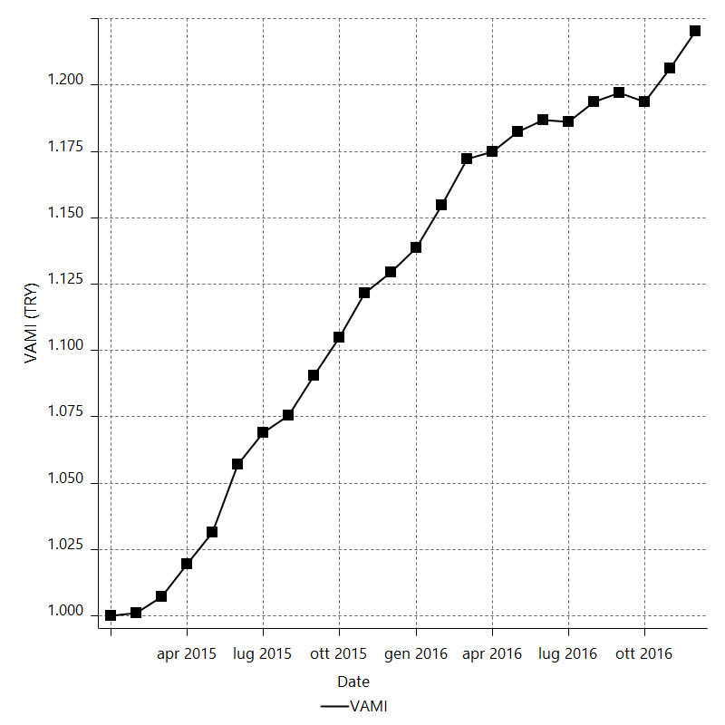
Strategy Performance Summary

 | All Trades | Long Trades | Short Trades
Net Profit | 23929.02958 | 15564.6427 | 8364.38688
Gross Profit | 42785.10776 | 25404.87852 | 17380.22924
Gross Loss | -18856.07818 | -9840.23582 | -9015.84236
Adjusted Net Profit | 19990.750563 | 12584.457892 | 5793.2905135
Adjusted Gross Profit | 40011.761144 | 23265.401795 | 15615.534329
Adjusted Gross Loss | -20021.01058 | -10680.943903 | -9822.2438157
Select Net Profit | 24264.87436 | 15564.6427 | 8700.23166
Select Gross Profit | 42785.10776 | 25404.87852 | 17380.22924
Select Gross Loss | -18520.2334 | -9840.23582 | -8679.99758
Account Size Required | 1051.06996 | 759.92366 | 630.4315
Return on Account | 2276.6352851 | 2048.1850374 | 1326.7717238
Return on Initial Capital | 23.92902958 | 15.5646427 | 8.36438688
Max Strategy Drawdown | -1094.52906 | -847.66404 | -824.01024
Max Strategy Drawdown (%) | -0.95187542264 | -0.75096643753 | -0.81425338256
Max Close To Close Drawdown | -1051.06996 | -759.92366 | -630.4315
Max Close To Close Drawdown (%) | -0.8754238856 | -0.67367753701 | -0.58735403985
Return on Max Strategy Drawdown | 21.862397678 | 18.361806052 | 10.150828805
Profit Factor | 2.2690353398 | 2.5817347251 | 1.9277432486
Adjusted Profit Factor | 1.9984885869 | 2.1782158962 | 1.5898133484
Select Profit Factor | 2.3101818879 | 2.5817347251 | 2.0023311159
Max # Contracts Held | 20 | 20 | 20
Slippage Paid | 5341 | 2905 | 2436
Commission Paid | 6405.37042 | 3565.3573 | 2840.01312
Open Position P/L | n/a | n/a | n/a
Annual Rate of Return | 12.446190601 | 8.0956274903 | 4.3505631109
Monthly Rate of Return | 1.0371825501 | 0.67463562419 | 0.36254692591
Buy & Hold Return | 36946.100481 | 36946.100481 | 34529.082855
Avg Monthly Return | 997.04289917
Monthly Return StdDev | 687.10391896
Total # of Trades | 500 | 278 | 222
% Profitable | 47.6 | 50.71942446 | 43.693693694

Performance Ratios

Upside Potential Ratio | n/a
Sharpe Ratio | 1.1675468358
Annualized Sharpe Ratio | 4.0445008797
Sortino Ratio | 4.614089174
Fouse Ratio | 0.0089903272763
Calmar Ratio | 0.10287789581
Sterling Ratio | 0.0019970475812
Net Profit as % of Largest loss | 25932.889917
Net Profit as % of Max Trade Drawdown | 5120.649049
Net Profit as % of Max Strategy Drawdown | 2186.2397678
Select Net Profit as % of Largest loss | 26296.858948
Select Net Profit as % of Max Trade Drawdown | 5192.5175403
Select Net Profit as % of Max Strategy Drawdown | 2216.9237206
Adj Net Profit as % of Largest loss | 21664.812272
Adj Net Profit as % of Max Trade Drawdown | 4277.8842125
Adj Net Profit as % of Max Strategy Drawdown | 1826.4248337

Time Analysis

Trading Period | 1 Yr, 11 Mths, 8 Dys, 5 Hrs, 30 Mins
Time in the Market | 25 Dys, 15 Hrs, 25 Mins
Percent in the Market | 3.6515659456
Longest flat period | 3 Dys, 23 Hrs, 30 Mins
Max Run-up Date | 2016-11-09
Max Drawdown Date | 2016-06-24
Max Strategy Drawdown Date | 9/29/16
Max Close To Close Drawdown Date | 9/28/16

Equity Curve Detailed

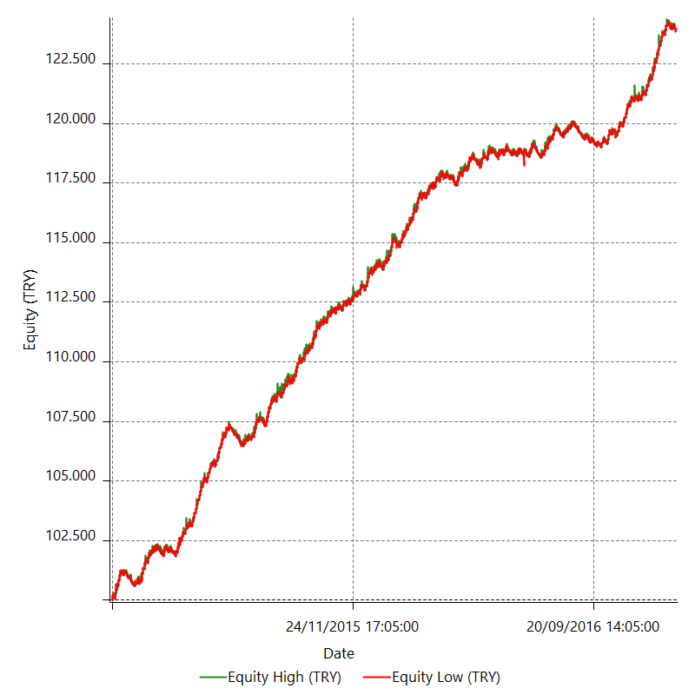

Equity Curve Detailed with DrawDown

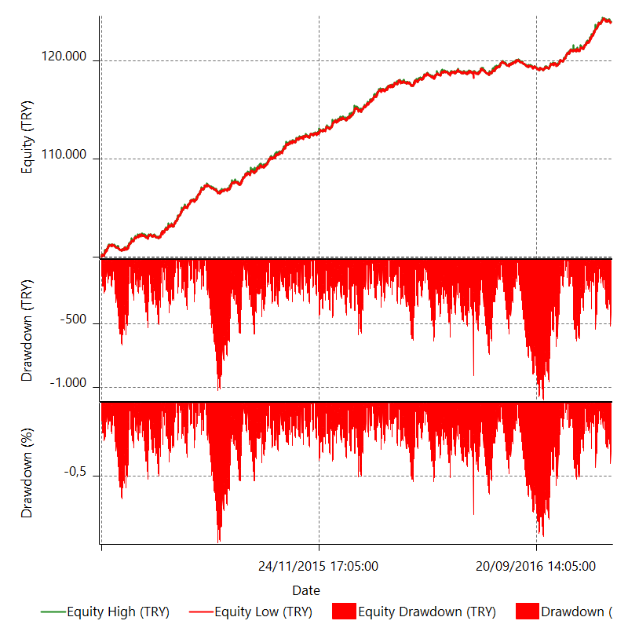

Equity Curve Detailed Long

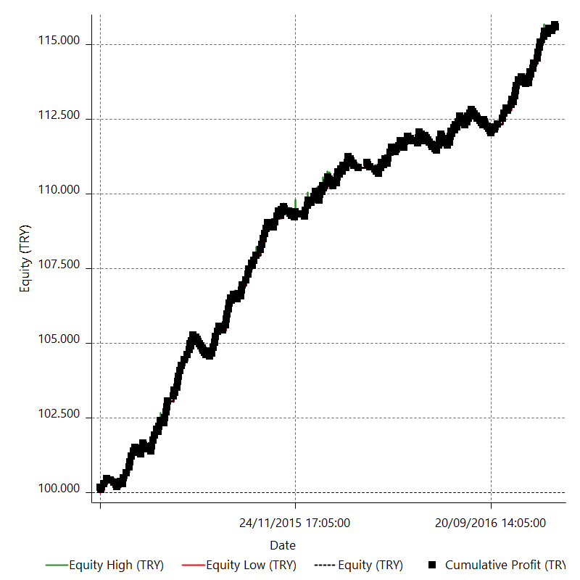

Equity Curve Detailed Short

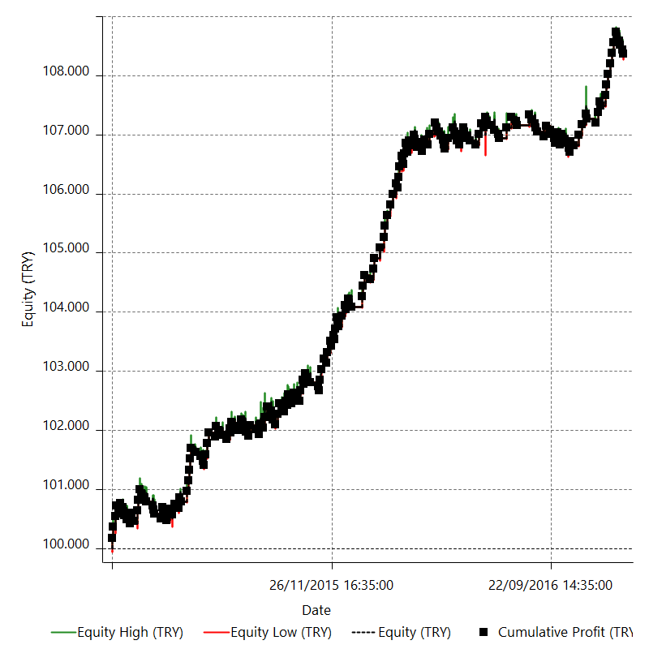

Equity Run-up & Drawdown

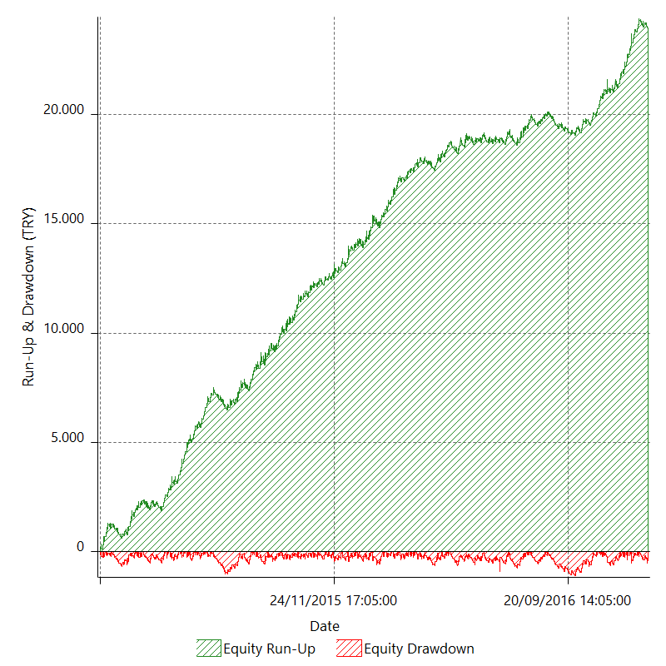

Equity Run-up & Drawdown (%)

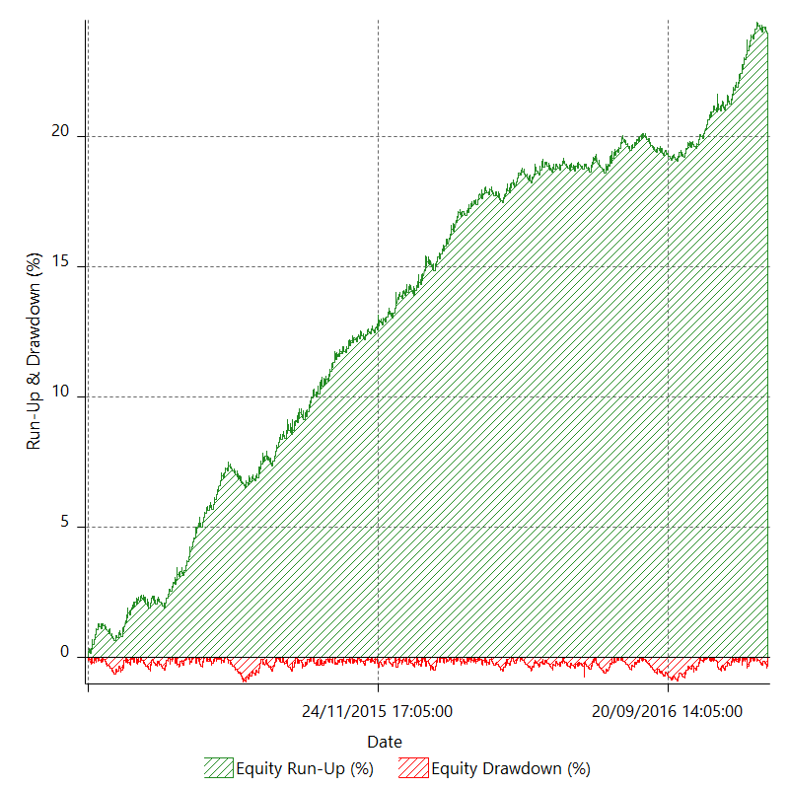

Equity Curve Close To Close

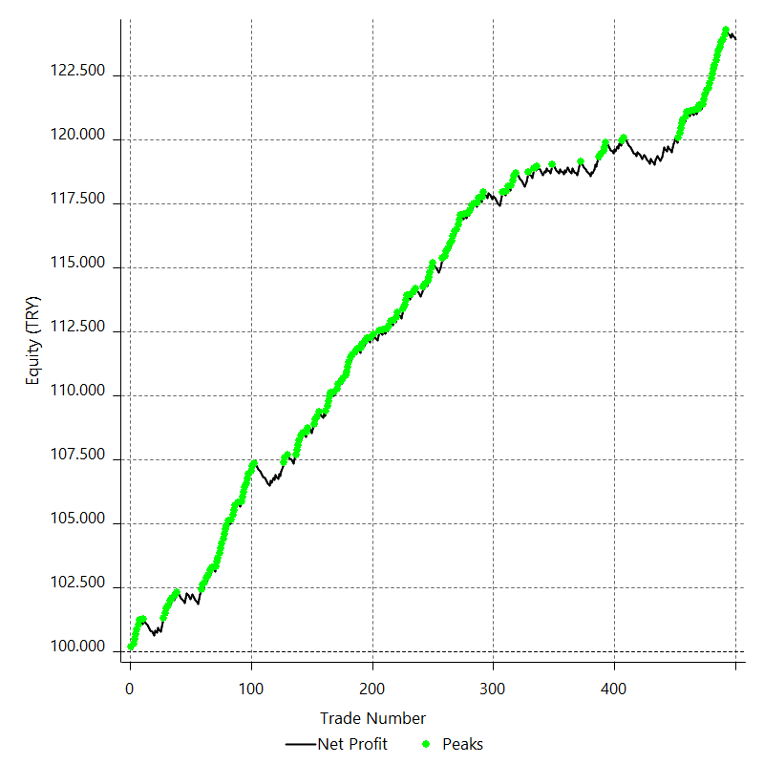

Equity Curve Close To Close With Drawdown

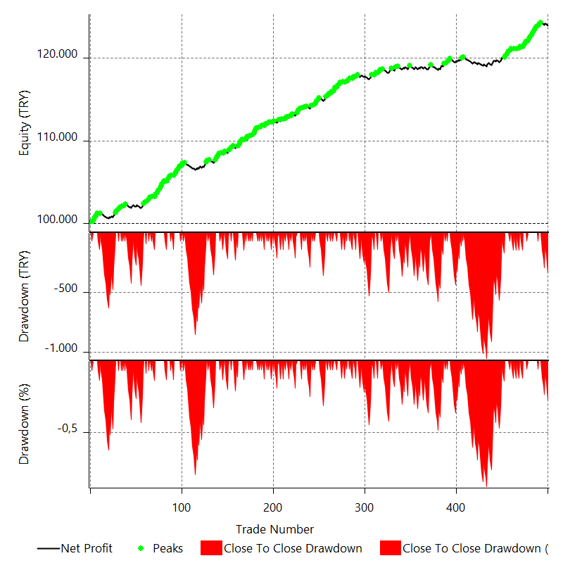

Buy & Hold Return

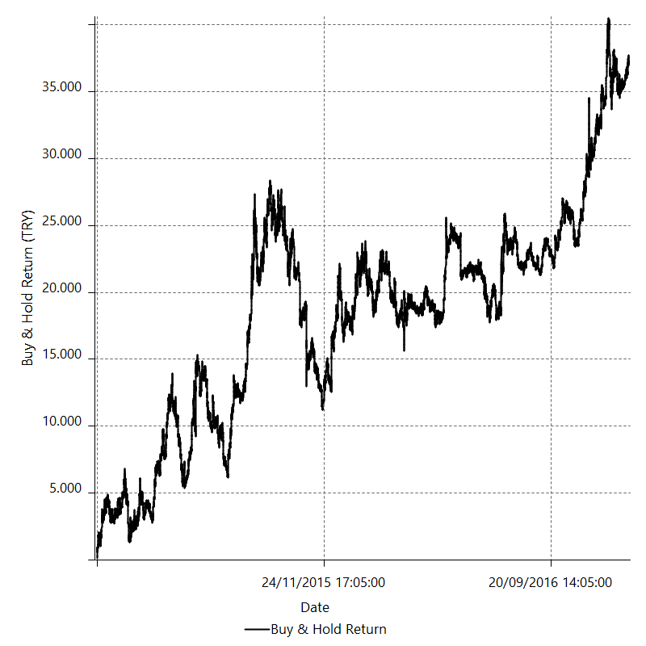

Value Added Monthly Index

Trade Analysis
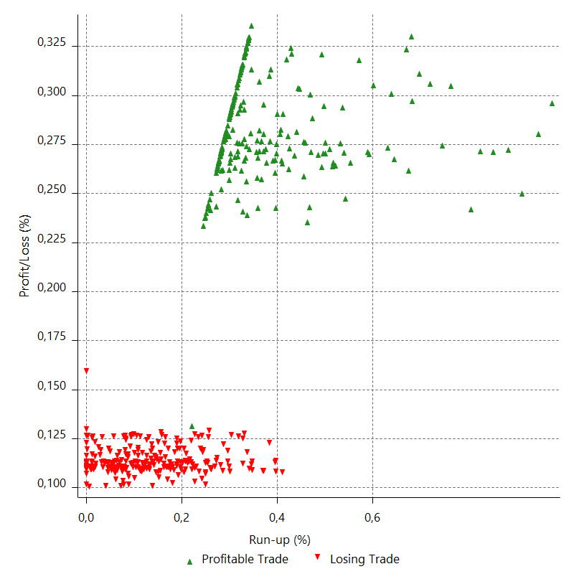
Total Trade Analysis

 | All Trades | Long Trades | Short Trades
Total # of Trades | 500 | 278 | 222
Total # of Open Trades | 0 | 0 | 0
Number Winning Trades | 238 | 141 | 97
Number Losing Trades | 262 | 137 | 125
% Profitable | 47.6 | 50.71942446 | 43.693693694
Avg Trade (win & loss) | 47.85805916 | 55.987923381 | 37.677418378
Average Winning Trade | 179.76936034 | 180.1764434 | 179.17762103
Average Losing Trade | -71.969764046 | -71.826538832 | -72.12673888
Ratio Avg Win / Avg Loss | 2.4978456261 | 2.5084940237 | 2.4842052173
Largest Winning Trade | 182.15764 | 182.15764 | 182.02644
Largest Losing Trade | -92.2729 | -73.78782 | -92.2729
Avg # Bars in Trades | 3.5 | 3.6 | 3.3
Avg # Bars in Winning Trades | 3.5 | 3.5 | 3.4
Avg # Bars in Losing Trades | 3.4 | 3.7 | 3.2
Avg # Bars Between Trades | n/a | n/a | n/a
Avg # Bars Between Winning Trades | 95.2 | 163.1 | 238.8
Avg # Bars Between Losing Trades | 86.3 | 167.8 | 184.8

Outliers

 | Total | Positive | Negative
1 Std. Deviation of Avg. Trade | 125.93089425 | 6.2185244199 | 1.907470764
Avg. Trade +1 Std. Deviation | 173.78895341 | 185.98788476 | -70.062293282
Avg. Trade - 1 Std. Deviation | -78.072835089 | 173.55083592 | -73.87723481
Number of Outliers | 4 | 0 | 4
Outlier Profit/Loss |  |  | -335.84478

Run-up/Drawdown

 | Run-up | Drawdown
Max Value | 650.6869 | -467.30462
Max Value Date | 2016-11-09 | 2016-06-24
Avg Value | 159.40730576 | -53.62813096
Max Value (%) | 0.97704016266 | -0.7184195541
Max Value (%) Date | 2015-11-24 | 2016-06-24
Avg Value (%) | 0.24930388351 | -0.08424506038
1 Std. Deviation | 109.88318304 | 45.015225175
Avg. Trade +1 Std. Deviation | 269.2904888 | -8.6129057854
Avg. Trade - 1 Std. Deviation | 49.524122717 | -98.643356135

Trade Series Analysis

Z-score | -1.7879728131
Confidence Limits | 0.92621976041
Strategy ME | 47.85805916
Max Consec. Winners | 11
Max Consec. Losers | 12
Largest Consec. Profit | 1992.33408
Largest Consec. Loss | -851.34628
Largest Consec. Profit (%) | 1.9320640326
Largest Consec. Loss (%) | -0.7932100476

Trade Series Statistics

Consecutive Winners | Number of Series | Avg. Gain per Series | Avg. Loss Next Trade
1 | 62 | 178.74961323 | -71.715810968
2 | 26 | 180.17694462 | -71.858203077
3 | 11 | 179.7364503 | -72.351121818
4 | 5 | 180.433452 | -75.984268
5 | 6 | 179.99904133 | -72.007593333
6 | 2 | 181.32436333 | -70.92388
7 | 1 | 180.70774857 | -71.40046
11 | 2 | 179.66549455 | -72.18108
Consecutive Losers | Number of Series | Avg. Loss per Series | Avg. Gain Next Trade
1 | 56 | -72.121528571 | 180.24960714
2 | 26 | -71.810862308 | 180.17853538
3 | 15 | -72.745428444 | 161.756304
4 | 4 | -72.424065 | 179.55876
5 | 7 | -71.776616571 | 180.22568571
6 | 2 | -71.2966 | 180.76618
7 | 1 | -71.801088571 | 180.0264
8 | 1 | -71.895295 | 179.98384
9 | 1 | -70.200993333 | 181.71584
10 | 1 | -72.211244 | 179.75064
12 | 1 | -70.945523333 | 181.132

Total Trades

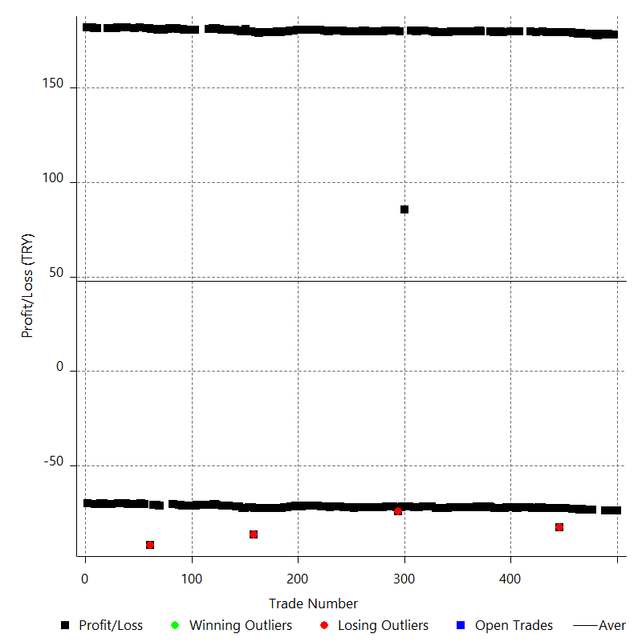

Winning Trades

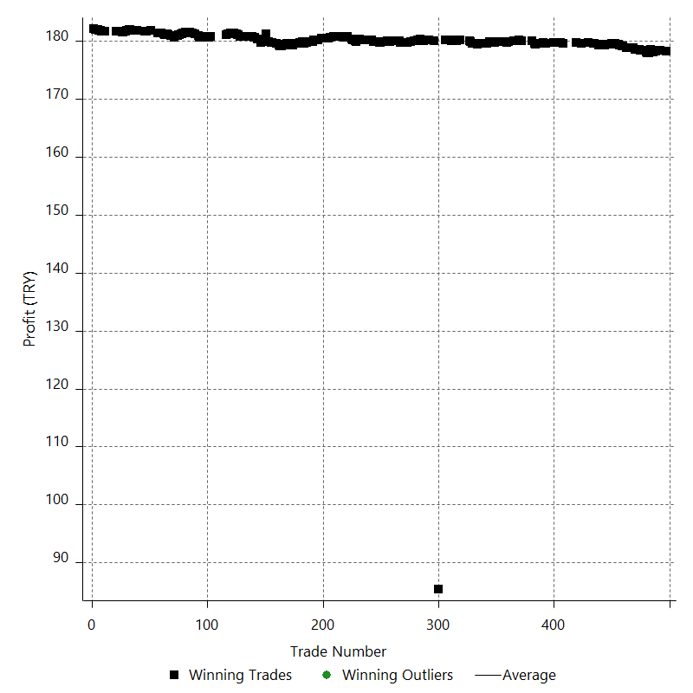

Losing Trades

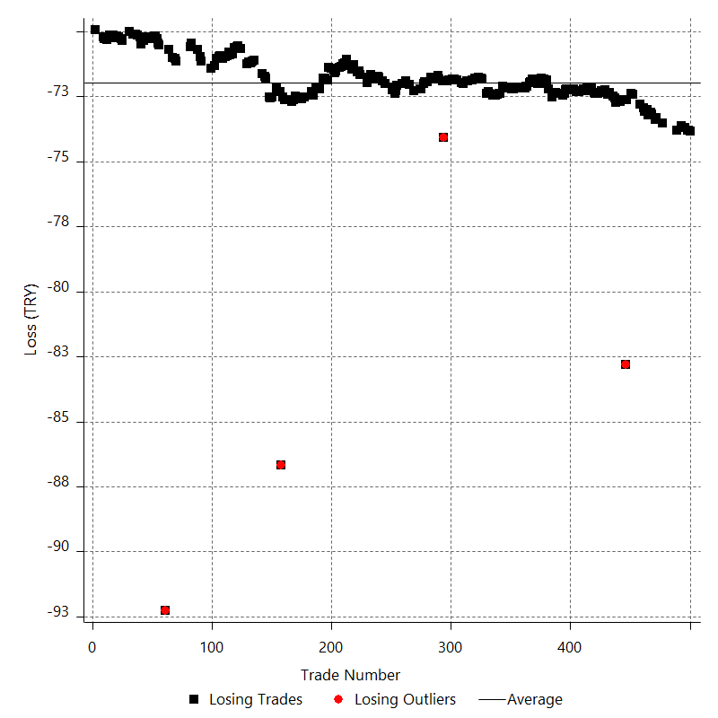

Drawdown

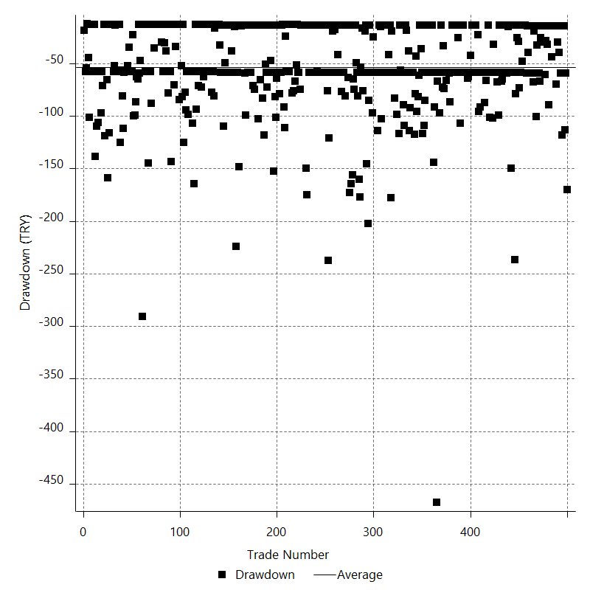

Drawdown P/L

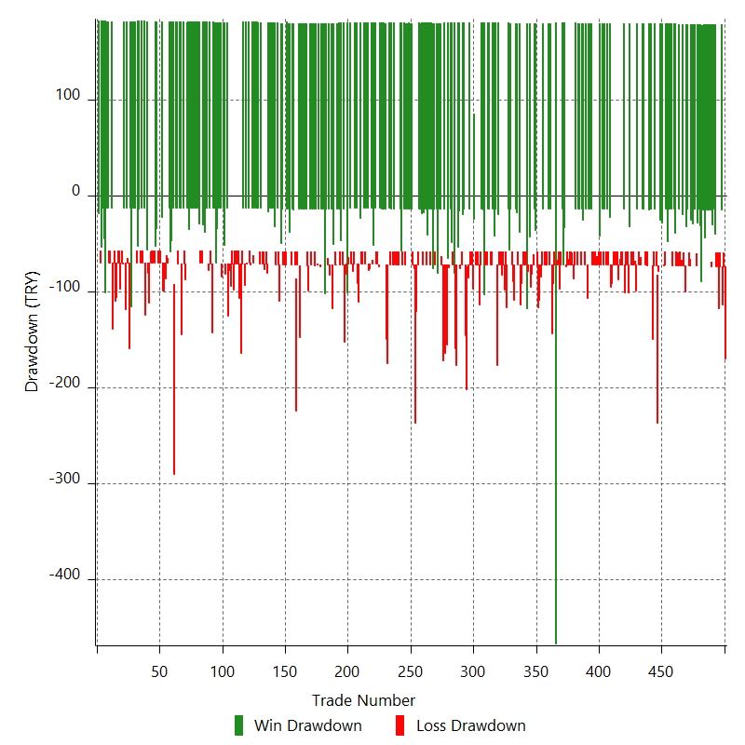

Maximum Adverse Excursion

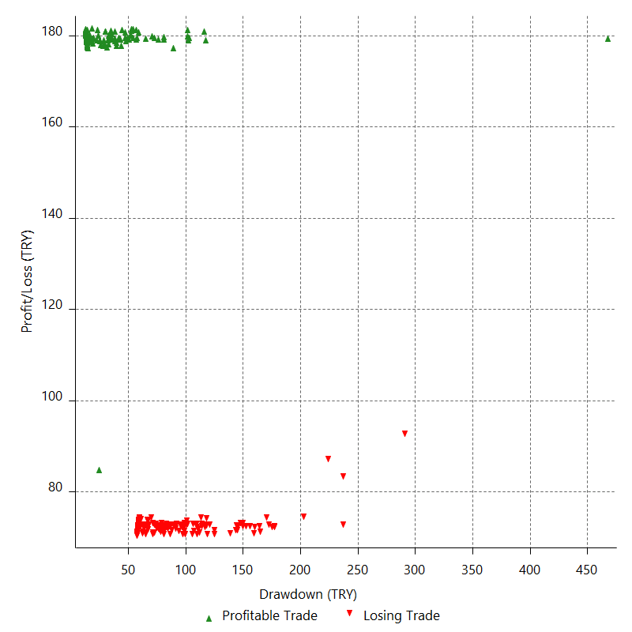

Maximum Adverse Excursion (%)

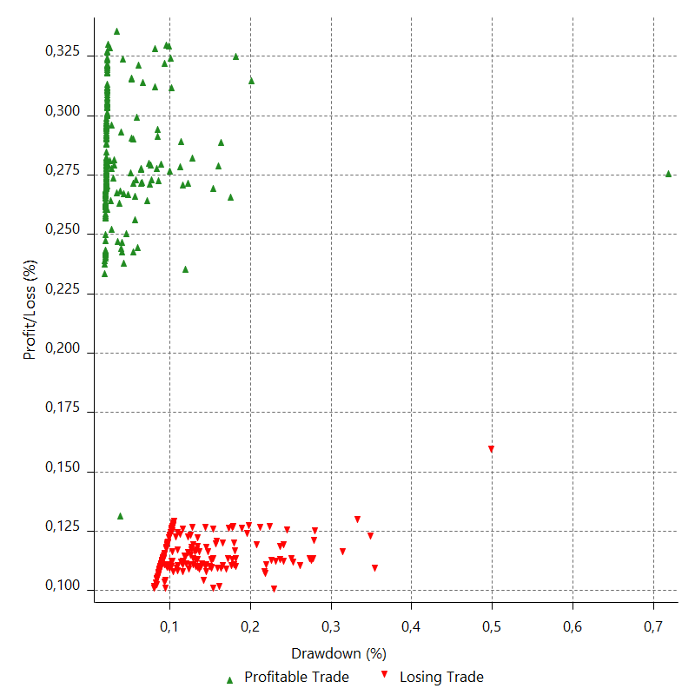

Run-up

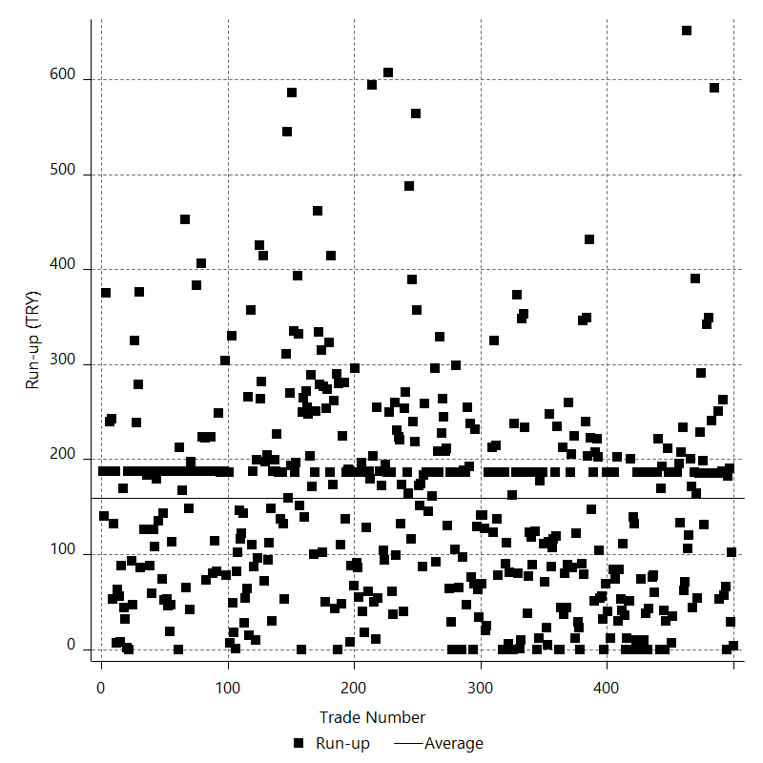

Run-up P/L

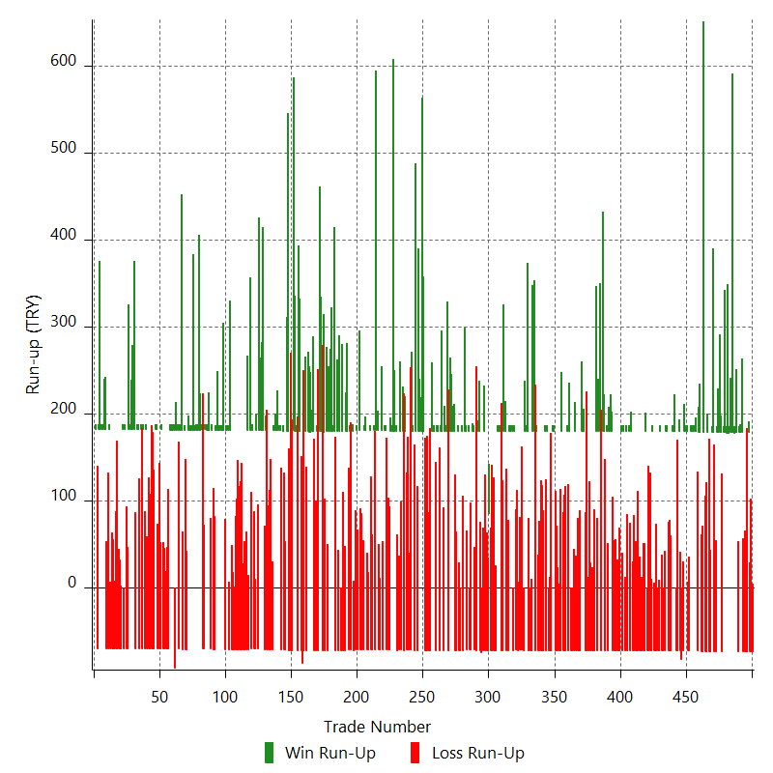

Maximum Favorable Excursion

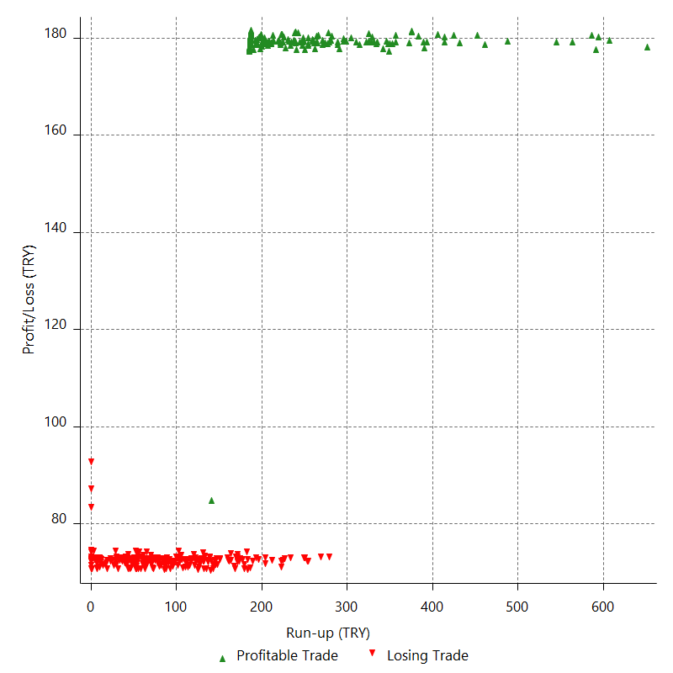

Maximum Favorable Excursion (%)

Periodical Analysis
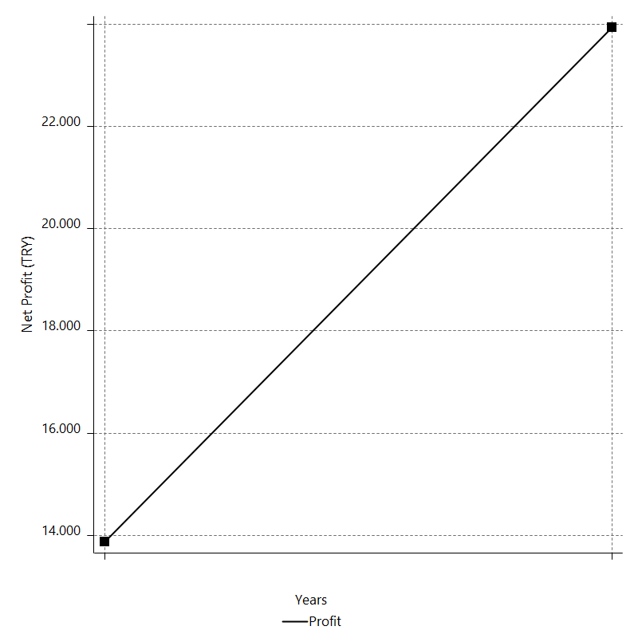
Daily Period Analysis

Period | Profit (TRY) | Profit (%) | Gross Profit | Gross Loss | # Trades | % Profitable
2016-12-30 | -73.83378 | -0.059541996047 | 0 | -73.83378 | 1 | 0
2016-12-29 | -73.80226 | -0.059481176119 | 0 | -73.80226 | 1 | 0
2016-12-28 | -73.78782 | -0.059434192913 | 0 | -73.78782 | 1 | 0
2016-12-27 | 178.29816 | 0.14382113435 | 178.29816 | 0 | 1 | 100
2016-12-26 | -73.6751 | -0.059393451416 | 0 | -73.6751 | 1 | 0
2016-12-23 | -73.67514 | -0.059358228742 | 0 | -73.67514 | 1 | 0
2016-12-22 | -73.67774 | -0.059325107921 | 0 | -73.67774 | 1 | 0
2016-12-21 | -73.62834 | -0.059250204501 | 0 | -73.62834 | 1 | 0
2016-12-20 | 178.40112 | 0.14376936517 | 178.40112 | 0 | 1 | 100
2016-12-19 | 178.33544 | 0.14392327657 | 178.33544 | 0 | 1 | 100
2016-12-16 | 178.38396 | 0.14416998462 | 178.38396 | 0 | 1 | 100
2016-12-15 | -73.7823 | -0.059595345816 | 0 | -73.7823 | 1 | 0
2016-12-14 | 178.1766 | 0.14412399578 | 178.1766 | 0 | 1 | 100
2016-12-13 | 178.25208 | 0.14439324373 | 178.25208 | 0 | 1 | 100
2016-12-12 | 178.05588 | 0.14444264762 | 178.05588 | 0 | 1 | 100
2016-12-09 | 178.32472 | 0.14487030669 | 178.32472 | 0 | 1 | 100
2016-12-08 | 178.4972 | 0.14522101439 | 178.4972 | 0 | 1 | 100
2016-12-07 | 178.29528 | 0.14526745738 | 178.29528 | 0 | 1 | 100
2016-12-06 | 177.8726 | 0.14513340738 | 177.8726 | 0 | 1 | 100
2016-12-05 | 177.941 | 0.14540032329 | 177.941 | 0 | 1 | 100
2016-12-02 | 178.08468 | 0.14572979072 | 178.08468 | 0 | 1 | 100
2016-12-01 | 178.36856 | 0.14617545541 | 178.36856 | 0 | 1 | 100
2016-11-30 | 178.4382 | 0.14644667902 | 178.4382 | 0 | 1 | 100
2016-11-29 | -73.51198 | -0.060295912709 | 0 | -73.51198 | 1 | 0
2016-11-28 | 178.4396 | 0.14657405105 | 178.4396 | 0 | 1 | 100
2016-11-25 | 178.391 | 0.1467491676 | 178.391 | 0 | 1 | 100
2016-11-24 | 178.58248 | 0.14712281738 | 178.58248 | 0 | 1 | 100
2016-11-23 | 178.6002 | 0.14735422897 | 178.6002 | 0 | 1 | 100
2016-11-22 | -73.3121 | -0.060449639402 | 0 | -73.3121 | 1 | 0
2016-11-21 | -73.3799 | -0.060468956957 | 0 | -73.3799 | 1 | 0
2016-11-18 | 178.61348 | 0.1474040072 | 178.61348 | 0 | 1 | 100
2016-11-17 | 178.77312 | 0.1477537426 | 178.77312 | 0 | 1 | 100
2016-11-16 | -73.18326 | -0.060448484678 | 0 | -73.18326 | 1 | 0
2016-11-15 | -73.1119 | -0.060353095226 | 0 | -73.1119 | 1 | 0
2016-11-14 | 178.87288 | 0.14787600872 | 178.87288 | 0 | 1 | 100
2016-11-11 | -73.22006 | -0.060495141161 | 0 | -73.22006 | 1 | 0
2016-11-10 | -72.99294 | -0.060271144344 | 0 | -72.99294 | 1 | 0
2016-11-09 | 178.7938 | 0.14785045582 | 178.7938 | 0 | 1 | 100
2016-11-08 | -73.06018 | -0.060379379746 | 0 | -73.06018 | 1 | 0
2016-11-07 | -72.93678 | -0.060241086094 | 0 | -72.93678 | 1 | 0
2016-11-04 | 179.07024 | 0.14811956291 | 179.07024 | 0 | 1 | 100
2016-11-03 | 179.14676 | 0.14840276457 | 179.14676 | 0 | 1 | 100
2016-11-02 | -72.8035 | -0.060273089062 | 0 | -72.8035 | 1 | 0
2016-11-01 | 179.36156 | 0.14871197193 | 179.36156 | 0 | 1 | 100
2016-10-31 | 179.399 | 0.14896458855 | 179.399 | 0 | 1 | 100
2016-10-28 | 179.38592 | 0.14917593063 | 179.38592 | 0 | 1 | 100
2016-10-27 | 179.45596 | 0.14945721659 | 179.45596 | 0 | 1 | 100
2016-10-26 | 179.57748 | 0.14978243496 | 179.57748 | 0 | 1 | 100
2016-10-25 | -72.42126 | -0.060368840214 | 0 | -72.42126 | 1 | 0
2016-10-24 | -72.39226 | -0.060308273597 | 0 | -72.39226 | 1 | 0
2016-10-21 | 179.59468 | 0.14984025037 | 179.59468 | 0 | 1 | 100
2016-10-20 | 179.51476 | 0.14999822885 | 179.51476 | 0 | 1 | 100
2016-10-19 | 179.43752 | 0.15015882763 | 179.43752 | 0 | 1 | 100
2016-10-18 | -72.62358 | -0.060736730241 | 0 | -72.62358 | 1 | 0
2016-10-17 | -82.796 | -0.069196239092 | 0 | -82.796 | 1 | 0
2016-10-14 | -72.62754 | -0.060661192115 | 0 | -72.62754 | 1 | 0
2016-10-13 | 179.34128 | 0.15001714624 | 179.34128 | 0 | 1 | 100
2016-10-12 | -72.60734 | -0.060698431838 | 0 | -72.60734 | 1 | 0
2016-10-11 | -72.70798 | -0.060745642311 | 0 | -72.70798 | 1 | 0
2016-10-10 | 179.34616 | 0.15006394619 | 179.34616 | 0 | 1 | 100
2016-10-07 | 179.41464 | 0.15034694803 | 179.41464 | 0 | 1 | 100
2016-10-06 | 179.32272 | 0.15049607069 | 179.32272 | 0 | 1 | 100
2016-10-05 | -72.70978 | -0.06098425769 | 0 | -72.70978 | 1 | 0
2016-10-04 | -72.53818 | -0.060803337764 | 0 | -72.53818 | 1 | 0
2016-10-03 | -72.49978 | -0.060734241016 | 0 | -72.49978 | 1 | 0
2016-09-30 | 179.54904 | 0.15063771743 | 179.54904 | 0 | 1 | 100
2016-09-29 | 179.57136 | 0.15088375952 | 179.57136 | 0 | 1 | 100
2016-09-28 | -72.33814 | -0.060744767101 | 0 | -72.33814 | 1 | 0
2016-09-27 | -72.36686 | -0.060731978104 | 0 | -72.36686 | 1 | 0
2016-09-26 | -72.42042 | -0.060740011009 | 0 | -72.42042 | 1 | 0
2016-09-23 | 179.77048 | 0.15100367299 | 179.77048 | 0 | 1 | 100
2016-09-22 | -72.25158 | -0.060653098063 | 0 | -72.25158 | 1 | 0
2016-09-21 | -72.27814 | -0.060638601699 | 0 | -72.27814 | 1 | 0
2016-09-20 | -72.31974 | -0.060636712095 | 0 | -72.31974 | 1 | 0
2016-09-19 | -72.28278 | -0.060569014578 | 0 | -72.28278 | 1 | 0
2016-09-16 | -72.3439 | -0.060583503934 | 0 | -72.3439 | 1 | 0
2016-09-15 | 179.61012 | 0.15063885197 | 179.61012 | 0 | 1 | 100
2016-09-14 | -72.38494 | -0.06067235275 | 0 | -72.38494 | 1 | 0
2016-09-13 | -72.36866 | -0.06062193453 | 0 | -72.36866 | 1 | 0
2016-09-12 | -72.39738 | -0.060609235689 | 0 | -72.39738 | 1 | 0
2016-09-09 | -72.33622 | -0.060521383541 | 0 | -72.33622 | 1 | 0
2016-09-08 | 179.75064 | 0.15061808318 | 179.75064 | 0 | 1 | 100
2016-09-07 | -72.1739 | -0.060439975227 | 0 | -72.1739 | 1 | 0
2016-09-06 | -72.13186 | -0.060368304692 | 0 | -72.13186 | 1 | 0
2016-09-05 | -72.17106 | -0.060364650877 | 0 | -72.17106 | 1 | 0
2016-09-02 | -72.2653 | -0.06040696216 | 0 | -72.2653 | 1 | 0
2016-09-01 | -72.18798 | -0.060305939937 | 0 | -72.18798 | 1 | 0
2016-08-31 | -72.19106 | -0.060272163728 | 0 | -72.19106 | 1 | 0
2016-08-30 | -72.20694 | -0.060249100482 | 0 | -72.20694 | 1 | 0
2016-08-29 | -72.22114 | -0.06022465694 | 0 | -72.22114 | 1 | 0
2016-08-26 | -72.27726 | -0.060235150377 | 0 | -72.27726 | 1 | 0
2016-08-25 | -72.28594 | -0.060206114604 | 0 | -72.28594 | 1 | 0
2016-08-24 | 179.65688 | 0.14985835489 | 179.65688 | 0 | 1 | 100
2016-08-23 | -72.32426 | -0.060291929509 | 0 | -72.32426 | 1 | 0
2016-08-22 | 179.68692 | 0.15001776092 | 179.68692 | 0 | 1 | 100
2016-08-19 | -72.31506 | -0.060338268131 | 0 | -72.31506 | 1 | 0
2016-08-18 | 179.75964 | 0.15021322062 | 179.75964 | 0 | 1 | 100
2016-08-17 | -72.2209 | -0.060313821389 | 0 | -72.2209 | 1 | 0
2016-08-16 | 179.7874 | 0.15037158111 | 179.7874 | 0 | 1 | 100
2016-08-15 | -72.19558 | -0.060346899481 | 0 | -72.19558 | 1 | 0
2016-08-12 | 179.79168 | 0.15051060808 | 179.79168 | 0 | 1 | 100
2016-08-11 | -72.22822 | -0.060428514047 | 0 | -72.22822 | 1 | 0
2016-08-10 | -72.21238 | -0.06037878378 | 0 | -72.21238 | 1 | 0
2016-08-09 | -72.22082 | -0.060349398208 | 0 | -72.22082 | 1 | 0
2016-08-08 | -72.25938 | -0.060345182443 | 0 | -72.25938 | 1 | 0
2016-08-05 | -72.39486 | -0.060421794363 | 0 | -72.39486 | 1 | 0
2016-08-04 | -72.45986 | -0.060439492886 | 0 | -72.45986 | 1 | 0
2016-08-03 | 179.52112 | 0.14996491708 | 179.52112 | 0 | 1 | 100
2016-08-02 | 179.58672 | 0.15024511405 | 179.58672 | 0 | 1 | 100
2016-08-01 | 179.69628 | 0.15056312544 | 179.69628 | 0 | 1 | 100
2016-07-29 | -72.3837 | -0.060611774712 | 0 | -72.3837 | 1 | 0
2016-07-28 | 179.59876 | 0.15061671915 | 179.59876 | 0 | 1 | 100
2016-07-27 | -72.36058 | -0.060646874324 | 0 | -72.36058 | 1 | 0
2016-07-26 | 179.64632 | 0.15079227657 | 179.64632 | 0 | 1 | 100
2016-07-25 | 179.6518 | 0.1510246168 | 179.6518 | 0 | 1 | 100
2016-07-22 | -72.52734 | -0.060933090997 | 0 | -72.52734 | 1 | 0
2016-07-21 | 179.43824 | 0.15098078093 | 179.43824 | 0 | 1 | 100
2016-07-20 | 179.65124 | 0.15138884022 | 179.65124 | 0 | 1 | 100
2016-07-19 | -72.19846 | -0.060803339265 | 0 | -72.19846 | 1 | 0
2016-07-18 | 179.98384 | 0.15180700066 | 179.98384 | 0 | 1 | 100
2016-07-15 | -71.85186 | -0.060566598572 | 0 | -71.85186 | 1 | 0
2016-07-14 | -71.86786 | -0.060543408317 | 0 | -71.86786 | 1 | 0
2016-07-13 | -71.8155 | -0.060462719331 | 0 | -71.8155 | 1 | 0
2016-07-12 | -71.84522 | -0.060451175565 | 0 | -71.84522 | 1 | 0
2016-07-11 | -71.79366 | -0.060371323562 | 0 | -71.79366 | 1 | 0
2016-07-08 | -71.96042 | -0.060474957791 | 0 | -71.96042 | 1 | 0
2016-07-07 | -72.01218 | -0.060481853794 | 0 | -72.01218 | 1 | 0
2016-07-06 | -72.01566 | -0.060448214622 | 0 | -72.01566 | 1 | 0
2016-07-05 | 179.9926 | 0.15131006506 | 179.9926 | 0 | 1 | 100
2016-07-04 | 180.10024 | 0.15163012104 | 180.10024 | 0 | 1 | 100
2016-07-01 | 180.18388 | 0.15193101947 | 180.18388 | 0 | 1 | 100
2016-06-30 | -71.86658 | -0.060561190226 | 0 | -71.86658 | 1 | 0
2016-06-29 | -71.82434 | -0.060488983717 | 0 | -71.82434 | 1 | 0
2016-06-28 | -71.92794 | -0.060539560923 | 0 | -71.92794 | 1 | 0
2016-06-27 | -71.96578 | -0.060534742954 | 0 | -71.96578 | 1 | 0
2016-06-24 | 180.01076 | 0.15164749091 | 180.01076 | 0 | 1 | 100
2016-06-23 | -72.10958 | -0.060710804219 | 0 | -72.10958 | 1 | 0
2016-06-22 | -72.11794 | -0.060680998512 | 0 | -72.11794 | 1 | 0
2016-06-21 | -72.16026 | -0.060679764432 | 0 | -72.16026 | 1 | 0
2016-06-20 | 179.82716 | 0.15144617434 | 179.82716 | 0 | 1 | 100
2016-06-17 | -72.18558 | -0.060756050101 | 0 | -72.18558 | 1 | 0
2016-06-16 | 179.7872 | 0.15154985475 | 179.7872 | 0 | 1 | 100
2016-06-15 | -72.14226 | -0.060774651594 | 0 | -72.14226 | 1 | 0
2016-06-14 | -72.17994 | -0.06076944257 | 0 | -72.17994 | 1 | 0
2016-06-13 | -72.1813 | -0.060733679362 | 0 | -72.1813 | 1 | 0
2016-06-10 | 179.84492 | 0.15155167829 | 179.84492 | 0 | 1 | 100
2016-06-09 | -72.1823 | -0.060789588733 | 0 | -72.1823 | 1 | 0
2016-06-08 | -72.17142 | -0.060743505789 | 0 | -72.17142 | 1 | 0
2016-06-07 | -72.20658 | -0.06073618715 | 0 | -72.20658 | 1 | 0
2016-06-06 | -72.21142 | -0.060703386897 | 0 | -72.21142 | 1 | 0
2016-06-03 | -72.16694 | -0.060629214172 | 0 | -72.16694 | 1 | 0
2016-06-02 | 179.80108 | 0.15128381411 | 179.80108 | 0 | 1 | 100
2016-06-01 | 179.84216 | 0.15154769816 | 179.84216 | 0 | 1 | 100
2016-05-31 | -72.14354 | -0.060756303325 | 0 | -72.14354 | 1 | 0
2016-05-30 | -72.1819 | -0.060751678429 | 0 | -72.1819 | 1 | 0
2016-05-27 | -72.1573 | -0.060694113787 | 0 | -72.1573 | 1 | 0
2016-05-26 | 179.85744 | 0.15151381236 | 179.85744 | 0 | 1 | 100
2016-05-25 | -72.1101 | -0.060709433231 | 0 | -72.1101 | 1 | 0
2016-05-24 | 179.56788 | 0.15140694293 | 179.56788 | 0 | 1 | 100
2016-05-23 | -72.38558 | -0.060996400747 | 0 | -72.38558 | 1 | 0
2016-05-20 | -72.36582 | -0.060942587157 | 0 | -72.36582 | 1 | 0
2016-05-19 | -72.41858 | -0.060949847286 | 0 | -72.41858 | 1 | 0
2016-05-18 | -72.42842 | -0.060920992655 | 0 | -72.42842 | 1 | 0
2016-05-17 | -72.43558 | -0.060889916665 | 0 | -72.43558 | 1 | 0
2016-05-16 | 179.54668 | 0.15115648539 | 179.54668 | 0 | 1 | 100
2016-05-13 | -72.45982 | -0.060965172662 | 0 | -72.45982 | 1 | 0
2016-05-12 | 179.50268 | 0.15125575 | 179.50268 | 0 | 1 | 100
2016-05-11 | 179.5236 | 0.15150256103 | 179.5236 | 0 | 1 | 100
2016-05-10 | -72.39154 | -0.061054967152 | 0 | -72.39154 | 1 | 0
2016-05-09 | -72.32778 | -0.06096400325 | 0 | -72.32778 | 1 | 0
2016-05-06 | -72.36682 | -0.060959725933 | 0 | -72.36682 | 1 | 0
2016-05-05 | 179.56948 | 0.15149331575 | 179.56948 | 0 | 1 | 100
2016-05-04 | 179.8482 | 0.15195902222 | 179.8482 | 0 | 1 | 100
2016-05-03 | 180.0264 | 0.15234131437 | 180.0264 | 0 | 1 | 100
2016-05-02 | -71.81994 | -0.060738306117 | 0 | -71.81994 | 1 | 0
2016-04-29 | -71.79958 | -0.060684239483 | 0 | -71.79958 | 1 | 0
2016-04-28 | -71.80738 | -0.06065402053 | 0 | -71.80738 | 1 | 0
2016-04-27 | -71.7679 | -0.060583946298 | 0 | -71.7679 | 1 | 0
2016-04-26 | -71.81862 | -0.060590028572 | 0 | -71.81862 | 1 | 0
2016-04-25 | -71.81238 | -0.060548081262 | 0 | -71.81238 | 1 | 0
2016-04-22 | -71.78182 | -0.060485707472 | 0 | -71.78182 | 1 | 0
2016-04-21 | 180.23052 | 0.15209911644 | 180.23052 | 0 | 1 | 100
2016-04-20 | -71.87654 | -0.060620870073 | 0 | -71.87654 | 1 | 0
2016-04-19 | 180.13856 | 0.15216052983 | 180.13856 | 0 | 1 | 100
2016-04-18 | 180.1062 | 0.15236499352 | 180.1062 | 0 | 1 | 100
2016-04-15 | 180.11488 | 0.15260486416 | 180.11488 | 0 | 1 | 100
2016-04-14 | -71.88526 | -0.060868724527 | 0 | -71.88526 | 1 | 0
2016-04-13 | -71.91262 | -0.060854835901 | 0 | -71.91262 | 1 | 0
2016-04-12 | 180.06872 | 0.15261265382 | 180.06872 | 0 | 1 | 100
2016-04-11 | 180.03056 | 0.15281347556 | 180.03056 | 0 | 1 | 100
2016-04-08 | -72.00598 | -0.061082756358 | 0 | -72.00598 | 1 | 0
2016-04-07 | -71.97058 | -0.061015474886 | 0 | -71.97058 | 1 | 0
2016-04-06 | 180.1222 | 0.15293818455 | 180.1222 | 0 | 1 | 100
2016-04-05 | 180.13344 | 0.15318201663 | 180.13344 | 0 | 1 | 100
2016-04-04 | 180.16892 | 0.15344728809 | 180.16892 | 0 | 1 | 100
2016-04-01 | -71.86554 | -0.061169411011 | 0 | -71.86554 | 1 | 0
2016-03-31 | -71.8503 | -0.06111906102 | 0 | -71.8503 | 1 | 0
2016-03-30 | -71.83478 | -0.06106854256 | 0 | -71.83478 | 1 | 0
2016-03-29 | -71.84714 | -0.061041766374 | 0 | -71.84714 | 1 | 0
2016-03-28 | -71.84078 | -0.060999131228 | 0 | -71.84078 | 1 | 0
2016-03-25 | 85.35802 | 0.072529021527 | 85.35802 | 0 | 1 | 100
2016-03-24 | -71.87742 | -0.061037228257 | 0 | -71.87742 | 1 | 0
2016-03-23 | -71.87822 | -0.06100067407 | 0 | -71.87822 | 1 | 0
2016-03-22 | -71.90282 | -0.06098433769 | 0 | -71.90282 | 1 | 0
2016-03-21 | 180.0746 | 0.15296379596 | 180.0746 | 0 | 1 | 100
2016-03-18 | -71.89666 | -0.061035113453 | 0 | -71.89666 | 1 | 0
2016-03-17 | -74.08772 | -0.062855633264 | 0 | -74.08772 | 1 | 0
2016-03-16 | -71.89674 | -0.060959633881 | 0 | -71.89674 | 1 | 0
2016-03-15 | 180.18928 | 0.15301222027 | 180.18928 | 0 | 1 | 100
2016-03-14 | 180.17888 | 0.15323784795 | 180.17888 | 0 | 1 | 100
2016-03-11 | -71.83566 | -0.061057216037 | 0 | -71.83566 | 1 | 0
2016-03-10 | -71.68862 | -0.060895133604 | 0 | -71.68862 | 1 | 0
2016-03-09 | 180.24316 | 0.15334040252 | 180.24316 | 0 | 1 | 100
2016-03-08 | 180.11248 | 0.15346437985 | 180.11248 | 0 | 1 | 100
2016-03-07 | -71.78662 | -0.061128217292 | 0 | -71.78662 | 1 | 0
2016-03-04 | -71.7781 | -0.061083627384 | 0 | -71.7781 | 1 | 0
2016-03-03 | 180.28952 | 0.15366330954 | 180.28952 | 0 | 1 | 100
2016-03-02 | -71.77534 | -0.061137737026 | 0 | -71.77534 | 1 | 0
2016-03-01 | 180.1744 | 0.1537072013 | 180.1744 | 0 | 1 | 100
2016-02-29 | 180.02472 | 0.1538157384 | 180.02472 | 0 | 1 | 100
2016-02-26 | -71.9267 | -0.061417474079 | 0 | -71.9267 | 1 | 0
2016-02-25 | 180.0662 | 0.15399346325 | 180.0662 | 0 | 1 | 100
2016-02-24 | -71.94154 | -0.061486914546 | 0 | -71.94154 | 1 | 0
2016-02-23 | -71.98718 | -0.061488090975 | 0 | -71.98718 | 1 | 0
2016-02-22 | 179.93556 | 0.15392913905 | 179.93556 | 0 | 1 | 100
2016-02-19 | -72.21978 | -0.06174357471 | 0 | -72.21978 | 1 | 0
2016-02-18 | -72.19766 | -0.0616865876 | 0 | -72.19766 | 1 | 0
2016-02-17 | 179.71512 | 0.15378699723 | 179.71512 | 0 | 1 | 100
2016-02-16 | 179.79672 | 0.15409390851 | 179.79672 | 0 | 1 | 100
2016-02-15 | 179.80444 | 0.15433836113 | 179.80444 | 0 | 1 | 100
2016-02-12 | 179.791 | 0.15456536047 | 179.791 | 0 | 1 | 100
2016-02-11 | -72.28914 | -0.062107988778 | 0 | -72.28914 | 1 | 0
2016-02-10 | 179.78816 | 0.15470589245 | 179.78816 | 0 | 1 | 100
2016-02-09 | 179.7988 | 0.15495478644 | 179.7988 | 0 | 1 | 100
2016-02-08 | 179.97428 | 0.15534697169 | 179.97428 | 0 | 1 | 100
2016-02-05 | -72.05178 | -0.062153708557 | 0 | -72.05178 | 1 | 0
2016-02-04 | 180.01044 | 0.15552310911 | 180.01044 | 0 | 1 | 100
2016-02-03 | 180.0996 | 0.15584263178 | 180.0996 | 0 | 1 | 100
2016-02-02 | -71.88998 | -0.062168703297 | 0 | -71.88998 | 1 | 0
2016-02-01 | 180.09328 | 0.15598320974 | 180.09328 | 0 | 1 | 100
2016-01-29 | 180.06576 | 0.15620298719 | 180.06576 | 0 | 1 | 100
2016-01-28 | -71.99758 | -0.062417293937 | 0 | -71.99758 | 1 | 0
2016-01-27 | 179.93672 | 0.15623734038 | 179.93672 | 0 | 1 | 100
2016-01-26 | 179.85512 | 0.15641074905 | 179.85512 | 0 | 1 | 100
2016-01-25 | 179.96752 | 0.15675383061 | 179.96752 | 0 | 1 | 100
2016-01-22 | -72.06138 | -0.062726939748 | 0 | -72.06138 | 1 | 0
2016-01-21 | -72.2913 | -0.06288750389 | 0 | -72.2913 | 1 | 0
2016-01-20 | -72.36918 | -0.062915644402 | 0 | -72.36918 | 1 | 0
2016-01-19 | -72.14982 | -0.062685619729 | 0 | -72.14982 | 1 | 0
2016-01-18 | -72.23714 | -0.062722120257 | 0 | -72.23714 | 1 | 0
2016-01-15 | 179.75796 | 0.15632437338 | 179.75796 | 0 | 1 | 100
2016-01-14 | 179.78232 | 0.15659037987 | 179.78232 | 0 | 1 | 100
2016-01-13 | 179.94744 | 0.15698024109 | 179.94744 | 0 | 1 | 100
2016-01-12 | 179.83124 | 0.15712536853 | 179.83124 | 0 | 1 | 100
2016-01-11 | 179.81772 | 0.15736079073 | 179.81772 | 0 | 1 | 100
2016-01-08 | -72.0103 | -0.062977449594 | 0 | -72.0103 | 1 | 0
2016-01-07 | 179.93492 | 0.15761221272 | 179.93492 | 0 | 1 | 100
2016-01-06 | -71.8971 | -0.062937916566 | 0 | -71.8971 | 1 | 0
2016-01-05 | 180.149 | 0.15794950515 | 180.149 | 0 | 1 | 100
2016-01-04 | 180.14288 | 0.15819399745 | 180.14288 | 0 | 1 | 100
2015-12-31 | -71.75446 | -0.062972107585 | 0 | -71.75446 | 1 | 0
2015-12-30 | -71.74014 | -0.062919926178 | 0 | -71.74014 | 1 | 0
2015-12-29 | -71.75814 | -0.06289612901 | 0 | -71.75814 | 1 | 0
2015-12-28 | -71.80414 | -0.062896863035 | 0 | -71.80414 | 1 | 0
2015-12-24 | 180.2026 | 0.15809808975 | 180.2026 | 0 | 1 | 100
2015-12-23 | -71.82098 | -0.062971397144 | 0 | -71.82098 | 1 | 0
2015-12-22 | 180.26108 | 0.15830000027 | 180.26108 | 0 | 1 | 100
2015-12-21 | -71.64586 | -0.062877734641 | 0 | -71.64586 | 1 | 0
2015-12-18 | 180.31944 | 0.15850251554 | 180.31944 | 0 | 1 | 100
2015-12-17 | -71.77462 | -0.063050799592 | 0 | -71.77462 | 1 | 0
2015-12-16 | -71.9743 | -0.063186259281 | 0 | -71.9743 | 1 | 0
2015-12-15 | 179.86804 | 0.15815594362 | 179.86804 | 0 | 1 | 100
2015-12-14 | 180.02184 | 0.15854213645 | 180.02184 | 0 | 1 | 100
2015-12-11 | 180.17572 | 0.15892984206 | 180.17572 | 0 | 1 | 100
2015-12-10 | 180.192 | 0.15919723715 | 180.192 | 0 | 1 | 100
2015-12-09 | 180.275 | 0.15952464234 | 180.275 | 0 | 1 | 100
2015-12-08 | -71.65882 | -0.063370425947 | 0 | -71.65882 | 1 | 0
2015-12-07 | -71.52434 | -0.063211518299 | 0 | -71.52434 | 1 | 0
2015-12-04 | -71.5661 | -0.063208446451 | 0 | -71.5661 | 1 | 0
2015-12-03 | 180.79628 | 0.15993786787 | 180.79628 | 0 | 1 | 100
2015-12-02 | 180.77944 | 0.16017913393 | 180.77944 | 0 | 1 | 100
2015-12-01 | -71.29226 | -0.063128437006 | 0 | -71.29226 | 1 | 0
2015-11-30 | 180.6424 | 0.16021293935 | 180.6424 | 0 | 1 | 100
2015-11-27 | -71.44518 | -0.063325076627 | 0 | -71.44518 | 1 | 0
2015-11-26 | -71.30794 | -0.063163513132 | 0 | -71.30794 | 1 | 0
2015-11-25 | 180.73272 | 0.16034705664 | 180.73272 | 0 | 1 | 100
2015-11-24 | 180.82244 | 0.16068443738 | 180.82244 | 0 | 1 | 100
2015-11-23 | -71.08182 | -0.063125639754 | 0 | -71.08182 | 1 | 0
2015-11-20 | 180.85536 | 0.16087061747 | 180.85536 | 0 | 1 | 100
2015-11-19 | -71.2047 | -0.063296402246 | 0 | -71.2047 | 1 | 0
2015-11-18 | -71.23134 | -0.063280014536 | 0 | -71.23134 | 1 | 0
2015-11-17 | 180.73916 | 0.16082205072 | 180.73916 | 0 | 1 | 100
2015-11-16 | -71.35978 | -0.063455776987 | 0 | -71.35978 | 1 | 0
2015-11-13 | -71.3727 | -0.063427010544 | 0 | -71.3727 | 1 | 0
2015-11-12 | 180.65888 | 0.16080488422 | 180.65888 | 0 | 1 | 100
2015-11-11 | 180.53904 | 0.16095686917 | 180.53904 | 0 | 1 | 100
2015-11-10 | -71.50906 | -0.063712209945 | 0 | -71.50906 | 1 | 0
2015-11-09 | -71.5913 | -0.063744823124 | 0 | -71.5913 | 1 | 0
2015-11-06 | -71.49406 | -0.063617742788 | 0 | -71.49406 | 1 | 0
2015-11-05 | 180.51804 | 0.16088926832 | 180.51804 | 0 | 1 | 100
2015-11-04 | -71.40802 | -0.063602933459 | 0 | -71.40802 | 1 | 0
2015-11-03 | 180.53292 | 0.16105917506 | 180.53292 | 0 | 1 | 100
2015-11-02 | -71.37634 | -0.063636587142 | 0 | -71.37634 | 1 | 0
2015-10-30 | -71.8521 | -0.064019746176 | 0 | -71.8521 | 1 | 0
2015-10-29 | 180.18988 | 0.16080616314 | 180.18988 | 0 | 1 | 100
2015-10-28 | -71.80834 | -0.064042600474 | 0 | -71.80834 | 1 | 0
2015-10-27 | 180.17144 | 0.16094535071 | 180.17144 | 0 | 1 | 100
2015-10-26 | -71.79462 | -0.064092313531 | 0 | -71.79462 | 1 | 0
2015-10-23 | 180.23348 | 0.16115687883 | 180.23348 | 0 | 1 | 100
2015-10-22 | 179.89236 | 0.16111101434 | 179.89236 | 0 | 1 | 100
2015-10-21 | -72.21366 | -0.064632519113 | 0 | -72.21366 | 1 | 0
2015-10-20 | -72.16174 | -0.064544363129 | 0 | -72.16174 | 1 | 0
2015-10-19 | 179.89364 | 0.16116342683 | 179.89364 | 0 | 1 | 100
2015-10-16 | -72.16406 | -0.064608693662 | 0 | -72.16406 | 1 | 0
2015-10-15 | 179.7392 | 0.16118040383 | 179.7392 | 0 | 1 | 100
2015-10-14 | -72.45358 | -0.064930269319 | 0 | -72.45358 | 1 | 0
2015-10-13 | 179.58416 | 0.1611962318 | 179.58416 | 0 | 1 | 100
2015-10-12 | -72.32694 | -0.064879140995 | 0 | -72.32694 | 1 | 0
2015-10-09 | 179.8804 | 0.16161816688 | 179.8804 | 0 | 1 | 100
2015-10-08 | 179.69424 | 0.16171199213 | 179.69424 | 0 | 1 | 100
2015-10-07 | 179.74556 | 0.16202025748 | 179.74556 | 0 | 1 | 100
2015-10-06 | 179.5882 | 0.16214088636 | 179.5882 | 0 | 1 | 100
2015-10-05 | 179.53184 | 0.16235316008 | 179.53184 | 0 | 1 | 100
2015-10-02 | -72.53006 | -0.065546957965 | 0 | -72.53006 | 1 | 0
2015-10-01 | 179.5198 | 0.16249949417 | 179.5198 | 0 | 1 | 100
2015-09-30 | -72.59902 | -0.065672735904 | 0 | -72.59902 | 1 | 0
2015-09-29 | 179.23904 | 0.16240211897 | 179.23904 | 0 | 1 | 100
2015-09-28 | -72.60022 | -0.06573723483 | 0 | -72.60022 | 1 | 0
2015-09-25 | 179.46472 | 0.16276419785 | 179.46472 | 0 | 1 | 100
2015-09-24 | 179.34696 | 0.16292240163 | 179.34696 | 0 | 1 | 100
2015-09-23 | -72.48714 | -0.065805450272 | 0 | -72.48714 | 1 | 0
2015-09-22 | 179.57004 | 0.16328388848 | 179.57004 | 0 | 1 | 100
2015-09-21 | -72.60782 | -0.065979073743 | 0 | -72.60782 | 1 | 0
2015-09-18 | -72.7011 | -0.066020222233 | 0 | -72.7011 | 1 | 0
2015-09-17 | 179.37752 | 0.16315937385 | 179.37752 | 0 | 1 | 100
2015-09-16 | 179.397 | 0.16344379543 | 179.397 | 0 | 1 | 100
2015-09-15 | 179.19148 | 0.16352351452 | 179.19148 | 0 | 1 | 100
2015-09-14 | 179.11844 | 0.16372447981 | 179.11844 | 0 | 1 | 100
2015-09-11 | 179.28468 | 0.16414542834 | 179.28468 | 0 | 1 | 100
2015-09-10 | -72.63394 | -0.066456352629 | 0 | -72.63394 | 1 | 0
2015-09-09 | 179.59236 | 0.16458830276 | 179.59236 | 0 | 1 | 100
2015-09-08 | -72.51874 | -0.066416016216 | 0 | -72.51874 | 1 | 0
2015-09-07 | -86.68816 | -0.079330043891 | 0 | -86.68816 | 1 | 0
2015-09-04 | -72.29634 | -0.066116063478 | 0 | -72.29634 | 1 | 0
2015-09-03 | 179.7422 | 0.16464752108 | 179.7422 | 0 | 1 | 100
2015-09-02 | 179.73188 | 0.16490957168 | 179.73188 | 0 | 1 | 100
2015-09-01 | -72.15758 | -0.066163012147 | 0 | -72.15758 | 1 | 0
2015-08-31 | 179.90244 | 0.16522941032 | 179.90244 | 0 | 1 | 100
2015-08-28 | 179.84028 | 0.16544559048 | 179.84028 | 0 | 1 | 100
2015-08-27 | 181.17942 | 0.16695582154 | 181.17942 | 0 | 1 | 100
2015-08-26 | -72.50694 | -0.066770127129 | 0 | -72.50694 | 1 | 0
2015-08-25 | -72.54694 | -0.066762360389 | 0 | -72.54694 | 1 | 0
2015-08-24 | -72.51774 | -0.066690982118 | 0 | -72.51774 | 1 | 0
2015-08-21 | 179.83472 | 0.16565908116 | 179.83472 | 0 | 1 | 100
2015-08-20 | 179.78904 | 0.16589174686 | 179.78904 | 0 | 1 | 100
2015-08-19 | -71.79182 | -0.066198620298 | 0 | -71.79182 | 1 | 0
2015-08-18 | -71.71418 | -0.066083330178 | 0 | -71.71418 | 1 | 0
2015-08-17 | 180.36556 | 0.16648032377 | 180.36556 | 0 | 1 | 100
2015-08-14 | -71.63722 | -0.066078617889 | 0 | -71.63722 | 1 | 0
2015-08-13 | 180.60124 | 0.16686568629 | 180.60124 | 0 | 1 | 100
2015-08-12 | 180.64296 | 0.16718326925 | 180.64296 | 0 | 1 | 100
2015-08-11 | 180.78344 | 0.1675936886 | 180.78344 | 0 | 1 | 100
2015-08-10 | 180.7764 | 0.16786848826 | 180.7764 | 0 | 1 | 100
2015-08-07 | 180.84268 | 0.16821251503 | 180.84268 | 0 | 1 | 100
2015-08-06 | 180.85692 | 0.16850923645 | 180.85692 | 0 | 1 | 100
2015-08-05 | -71.11626 | -0.066217048197 | 0 | -71.11626 | 1 | 0
2015-08-04 | -71.14466 | -0.066199638764 | 0 | -71.14466 | 1 | 0
2015-08-03 | -71.1711 | -0.066180413533 | 0 | -71.1711 | 1 | 0
2015-07-31 | -71.2135 | -0.066176018691 | 0 | -71.2135 | 1 | 0
2015-07-30 | -71.17566 | -0.066097138194 | 0 | -71.17566 | 1 | 0
2015-07-29 | 180.77036 | 0.16815432725 | 180.77036 | 0 | 1 | 100
2015-07-28 | -71.23514 | -0.066219732673 | 0 | -71.23514 | 1 | 0
2015-07-27 | 180.85956 | 0.16840903485 | 180.85956 | 0 | 1 | 100
2015-07-24 | 181.01676 | 0.16884000203 | 181.01676 | 0 | 1 | 100
2015-07-23 | 181.09928 | 0.16920278324 | 181.09928 | 0 | 1 | 100
2015-07-22 | 181.18964 | 0.169574275 | 181.18964 | 0 | 1 | 100
2015-07-21 | -70.6559 | -0.066082726177 | 0 | -70.6559 | 1 | 0
2015-07-20 | 181.43852 | 0.16998344042 | 181.43852 | 0 | 1 | 100
2015-07-17 | -70.56402 | -0.066065301597 | 0 | -70.56402 | 1 | 0
2015-07-16 | -70.56882 | -0.066026172222 | 0 | -70.56882 | 1 | 0
2015-07-15 | 181.35508 | 0.16996931762 | 181.35508 | 0 | 1 | 100
2015-07-14 | -70.63702 | -0.066158516282 | 0 | -70.63702 | 1 | 0
2015-07-13 | 181.18844 | 0.16998926682 | 181.18844 | 0 | 1 | 100
2015-07-10 | -70.85634 | -0.066432580376 | 0 | -70.85634 | 1 | 0
2015-07-09 | 181.132 | 0.17011231283 | 181.132 | 0 | 1 | 100
2015-07-08 | -70.89422 | -0.066536864815 | 0 | -70.89422 | 1 | 0
2015-07-07 | -70.80634 | -0.066410253637 | 0 | -70.80634 | 1 | 0
2015-07-06 | -70.9337 | -0.066485473767 | 0 | -70.9337 | 1 | 0
2015-07-03 | -70.9389 | -0.066446167389 | 0 | -70.9389 | 1 | 0
2015-07-02 | -70.95558 | -0.066417648645 | 0 | -70.95558 | 1 | 0
2015-07-01 | -70.9145 | -0.06633516315 | 0 | -70.9145 | 1 | 0
2015-06-30 | -71.02022 | -0.066389950694 | 0 | -71.02022 | 1 | 0
2015-06-29 | -70.92954 | -0.066261248071 | 0 | -70.92954 | 1 | 0
2015-06-26 | -70.9201 | -0.066208564591 | 0 | -70.9201 | 1 | 0
2015-06-25 | -70.97546 | -0.06621637165 | 0 | -70.97546 | 1 | 0
2015-06-24 | -71.01846 | -0.066212618233 | 0 | -71.01846 | 1 | 0
2015-06-23 | -71.03926 | -0.066188172933 | 0 | -71.03926 | 1 | 0
2015-06-22 | 180.77008 | 0.1687099104 | 180.77008 | 0 | 1 | 100
2015-06-19 | -71.32262 | -0.066520015851 | 0 | -71.32262 | 1 | 0
2015-06-18 | 180.63776 | 0.16875858929 | 180.63776 | 0 | 1 | 100
2015-06-17 | 180.65792 | 0.1690627633 | 180.65792 | 0 | 1 | 100
2015-06-16 | -71.40046 | -0.066773152125 | 0 | -71.40046 | 1 | 0
2015-06-15 | 180.75992 | 0.16933151126 | 180.75992 | 0 | 1 | 100
2015-06-12 | 180.80516 | 0.16966125286 | 180.80516 | 0 | 1 | 100
2015-06-11 | 180.63036 | 0.16978500752 | 180.63036 | 0 | 1 | 100
2015-06-10 | 180.58124 | 0.17002743937 | 180.58124 | 0 | 1 | 100
2015-06-09 | 180.5768 | 0.17031283028 | 180.5768 | 0 | 1 | 100
2015-06-08 | 180.63848 | 0.17066176256 | 180.63848 | 0 | 1 | 100
2015-06-05 | 180.96228 | 0.17126047905 | 180.96228 | 0 | 1 | 100
2015-06-04 | -71.1315 | -0.067272691283 | 0 | -71.1315 | 1 | 0
2015-06-03 | -70.96138 | -0.067066790383 | 0 | -70.96138 | 1 | 0
2015-06-02 | 181.252 | 0.17159826032 | 181.252 | 0 | 1 | 100
2015-06-01 | -70.70366 | -0.066893105535 | 0 | -70.70366 | 1 | 0
2015-05-29 | 181.3286 | 0.17185076478 | 181.3286 | 0 | 1 | 100
2015-05-28 | 181.38692 | 0.1722020622 | 181.38692 | 0 | 1 | 100
2015-05-27 | 181.46924 | 0.17257753072 | 181.46924 | 0 | 1 | 100
2015-05-26 | 181.52204 | 0.1729262623 | 181.52204 | 0 | 1 | 100
2015-05-25 | -70.44218 | -0.067061465019 | 0 | -70.44218 | 1 | 0
2015-05-22 | -70.57986 | -0.06714741932 | 0 | -70.57986 | 1 | 0
2015-05-21 | 181.5342 | 0.17300461545 | 181.5342 | 0 | 1 | 100
2015-05-20 | 181.43856 | 0.17321297777 | 181.43856 | 0 | 1 | 100
2015-05-19 | 181.40872 | 0.17348493959 | 181.40872 | 0 | 1 | 100
2015-05-18 | 181.22756 | 0.17361258341 | 181.22756 | 0 | 1 | 100
2015-05-15 | 181.20428 | 0.17389214147 | 181.20428 | 0 | 1 | 100
2015-05-14 | 181.04364 | 0.17404035798 | 181.04364 | 0 | 1 | 100
2015-05-13 | 181.02968 | 0.17433031971 | 181.02968 | 0 | 1 | 100
2015-05-12 | 180.89028 | 0.17450005073 | 180.89028 | 0 | 1 | 100
2015-05-11 | 180.94476 | 0.17485782503 | 180.94476 | 0 | 1 | 100
2015-05-08 | 180.92332 | 0.17514332178 | 180.92332 | 0 | 1 | 100
2015-05-07 | 180.68908 | 0.17522305926 | 180.68908 | 0 | 1 | 100
2015-05-06 | -71.1531 | -0.068953071322 | 0 | -71.1531 | 1 | 0
2015-05-05 | -71.05062 | -0.068806384185 | 0 | -71.05062 | 1 | 0
2015-05-04 | 180.8852 | 0.17547907096 | 180.8852 | 0 | 1 | 100
2015-05-01 | -71.01446 | -0.06884461724 | 0 | -71.01446 | 1 | 0
2015-04-30 | 181.13832 | 0.17591255787 | 181.13832 | 0 | 1 | 100
2015-04-29 | 181.28456 | 0.17636507771 | 181.28456 | 0 | 1 | 100
2015-04-28 | -70.68606 | -0.068720609047 | 0 | -70.68606 | 1 | 0
2015-04-27 | 181.15836 | 0.17643192158 | 181.15836 | 0 | 1 | 100
2015-04-24 | 181.21956 | 0.17680356818 | 181.21956 | 0 | 1 | 100
2015-04-23 | -92.2729 | -0.089943405884 | 0 | -92.2729 | 1 | 0
2015-04-22 | 181.44132 | 0.17717405784 | 181.44132 | 0 | 1 | 100
2015-04-21 | 181.43744 | 0.17748471924 | 181.43744 | 0 | 1 | 100
2015-04-20 | 181.39452 | 0.17775815321 | 181.39452 | 0 | 1 | 100
2015-04-17 | 181.40316 | 0.17808319248 | 181.40316 | 0 | 1 | 100
2015-04-16 | -70.52254 | -0.069183967544 | 0 | -70.52254 | 1 | 0
2015-04-15 | -70.44606 | -0.069061211723 | 0 | -70.44606 | 1 | 0
2015-04-14 | -70.25882 | -0.068830243883 | 0 | -70.25882 | 1 | 0
2015-04-13 | -70.17322 | -0.068699156206 | 0 | -70.17322 | 1 | 0
2015-04-10 | -70.16362 | -0.068642607424 | 0 | -70.16362 | 1 | 0
2015-04-09 | 181.8308 | 0.17820606644 | 181.8308 | 0 | 1 | 100
2015-04-08 | -70.25746 | -0.068809521941 | 0 | -70.25746 | 1 | 0
2015-04-07 | -70.24782 | -0.068752778645 | 0 | -70.24782 | 1 | 0
2015-04-06 | -70.27658 | -0.068733650922 | 0 | -70.27658 | 1 | 0
2015-04-03 | 181.7076 | 0.17803459201 | 181.7076 | 0 | 1 | 100
2015-04-02 | 181.74068 | 0.17838464753 | 181.74068 | 0 | 1 | 100
2015-04-01 | -70.19002 | -0.068846456587 | 0 | -70.19002 | 1 | 0
2015-03-31 | -70.24314 | -0.068851122343 | 0 | -70.24314 | 1 | 0
2015-03-30 | -70.35046 | -0.0689087986 | 0 | -70.35046 | 1 | 0
2015-03-27 | -70.33898 | -0.068850117808 | 0 | -70.33898 | 1 | 0
2015-03-26 | -70.46638 | -0.06892727867 | 0 | -70.46638 | 1 | 0
2015-03-25 | -70.1947 | -0.068614420894 | 0 | -70.1947 | 1 | 0
2015-03-24 | 181.81084 | 0.17803416762 | 181.81084 | 0 | 1 | 100
2015-03-23 | -70.1417 | -0.068637535481 | 0 | -70.1417 | 1 | 0
2015-03-20 | 181.89704 | 0.17831371268 | 181.89704 | 0 | 1 | 100
2015-03-19 | -70.09082 | -0.068662869651 | 0 | -70.09082 | 1 | 0
2015-03-18 | 181.88696 | 0.17849945556 | 181.88696 | 0 | 1 | 100
2015-03-17 | -70.11458 | -0.068761436103 | 0 | -70.11458 | 1 | 0
2015-03-16 | 181.947 | 0.17875455982 | 181.947 | 0 | 1 | 100
2015-03-13 | 181.98092 | 0.17910810826 | 181.98092 | 0 | 1 | 100
2015-03-12 | -70.00258 | -0.068850059865 | 0 | -70.00258 | 1 | 0
2015-03-11 | 181.82232 | 0.17914917373 | 181.82232 | 0 | 1 | 100
2015-03-10 | 181.69836 | 0.17934811781 | 181.69836 | 0 | 1 | 100
2015-03-09 | 181.65592 | 0.17962831151 | 181.65592 | 0 | 1 | 100
2015-03-06 | 181.532 | 0.17982857736 | 181.532 | 0 | 1 | 100
2015-03-05 | 181.60408 | 0.1802242043 | 181.60408 | 0 | 1 | 100
2015-03-04 | -70.34406 | -0.069760867519 | 0 | -70.34406 | 1 | 0
2015-03-03 | -70.26046 | -0.069629444234 | 0 | -70.26046 | 1 | 0
2015-03-02 | 181.72736 | 0.18042017774 | 181.72736 | 0 | 1 | 100
2015-02-27 | -70.21254 | -0.069658936994 | 0 | -70.21254 | 1 | 0
2015-02-26 | 181.71584 | 0.18060867666 | 181.71584 | 0 | 1 | 100
2015-02-25 | -70.18226 | -0.069706028372 | 0 | -70.18226 | 1 | 0
2015-02-24 | -70.22206 | -0.069696947778 | 0 | -70.22206 | 1 | 0
2015-02-23 | -70.22842 | -0.069654708616 | 0 | -70.22842 | 1 | 0
2015-02-20 | -70.1423 | -0.069520926933 | 0 | -70.1423 | 1 | 0
2015-02-19 | -70.14642 | -0.069476706747 | 0 | -70.14642 | 1 | 0
2015-02-18 | -70.22766 | -0.069508822749 | 0 | -70.22766 | 1 | 0
2015-02-17 | -70.13898 | -0.069372891071 | 0 | -70.13898 | 1 | 0
2015-02-16 | -70.22382 | -0.069408595419 | 0 | -70.22382 | 1 | 0
2015-02-13 | -70.29702 | -0.069432703145 | 0 | -70.29702 | 1 | 0
2015-02-12 | 181.68788 | 0.17977660505 | 181.68788 | 0 | 1 | 100
2015-02-11 | -70.27342 | -0.069485858744 | 0 | -70.27342 | 1 | 0
2015-02-10 | -70.21054 | -0.069375520405 | 0 | -70.21054 | 1 | 0
2015-02-09 | 181.70988 | 0.17987174734 | 181.70988 | 0 | 1 | 100
2015-02-06 | 181.84336 | 0.18032847533 | 181.84336 | 0 | 1 | 100
2015-02-05 | 181.86432 | 0.18067510694 | 181.86432 | 0 | 1 | 100
2015-02-04 | 181.94152 | 0.18107910588 | 181.94152 | 0 | 1 | 100
2015-02-03 | 182.02644 | 0.1814924216 | 182.02644 | 0 | 1 | 100
2015-02-02 | 182.0032 | 0.18179915935 | 182.0032 | 0 | 1 | 100
2015-01-30 | -69.92354 | -0.069796400524 | 0 | -69.92354 | 1 | 0
2015-01-29 | 182.15764 | 0.18215764 | 182.15764 | 0 | 1 | 100

Daily Rolling Period Analysis

Period | Profit (TRY) | Profit (%) | Gross Profit | Gross Loss | # Trades | % Profitable
Today - 30/12/2016 | -73.83378 | -0.059541996047 | 0 | -73.83378 | 1 | 0
29/12/2016 - 30/12/2016 | -147.63604 | -0.11898775589 | 0 | -147.63604 | 2 | 0
28/12/2016 - 30/12/2016 | -221.42386 | -0.17835122939 | 0 | -221.42386 | 3 | 0
27/12/2016 - 30/12/2016 | -43.1257 | -0.0347866018 | 178.29816 | -221.42386 | 4 | 25
26/12/2016 - 30/12/2016 | -116.8008 | -0.094159392252 | 178.29816 | -295.09896 | 5 | 20
25/12/2016 - 30/12/2016 | -116.8008 | -0.094159392252 | 178.29816 | -295.09896 | 5 | 20
24/12/2016 - 30/12/2016 | -116.8008 | -0.094159392252 | 178.29816 | -295.09896 | 5 | 20
23/12/2016 - 30/12/2016 | -190.47594 | -0.15346172965 | 178.29816 | -368.7741 | 6 | 16.666666667
22/12/2016 - 30/12/2016 | -264.15368 | -0.21269579623 | 178.29816 | -442.45184 | 7 | 14.285714286
21/12/2016 - 30/12/2016 | -337.78202 | -0.27181997804 | 178.29816 | -516.08018 | 8 | 12.5
20/12/2016 - 30/12/2016 | -159.3809 | -0.12844140672 | 356.69928 | -516.08018 | 9 | 22.222222222
19/12/2016 - 30/12/2016 | 18.95454 | 0.015297012768 | 535.03472 | -516.08018 | 10 | 30
18/12/2016 - 30/12/2016 | 18.95454 | 0.015297012768 | 535.03472 | -516.08018 | 10 | 30
17/12/2016 - 30/12/2016 | 18.95454 | 0.015297012768 | 535.03472 | -516.08018 | 10 | 30
16/12/2016 - 30/12/2016 | 197.3385 | 0.15948905109 | 713.41868 | -516.08018 | 11 | 36.363636364
15/12/2016 - 30/12/2016 | 123.5562 | 0.099798657222 | 713.41868 | -589.86248 | 12 | 33.333333333
14/12/2016 - 30/12/2016 | 301.7328 | 0.24406648682 | 891.59528 | -589.86248 | 13 | 38.461538461
13/12/2016 - 30/12/2016 | 479.98488 | 0.38881214607 | 1069.84736 | -589.86248 | 14 | 42.857142857
12/12/2016 - 30/12/2016 | 658.04076 | 0.53381640425 | 1247.90324 | -589.86248 | 15 | 46.666666667
11/12/2016 - 30/12/2016 | 658.04076 | 0.53381640425 | 1247.90324 | -589.86248 | 15 | 46.666666667
10/12/2016 - 30/12/2016 | 658.04076 | 0.53381640425 | 1247.90324 | -589.86248 | 15 | 46.666666667
09/12/2016 - 30/12/2016 | 836.36548 | 0.6794600524 | 1426.22796 | -589.86248 | 16 | 50
08/12/2016 - 30/12/2016 | 1014.86268 | 0.82566778557 | 1604.72516 | -589.86248 | 17 | 52.941176471
07/12/2016 - 30/12/2016 | 1193.15796 | 0.97213466956 | 1783.02044 | -589.86248 | 18 | 55.555555556
06/12/2016 - 30/12/2016 | 1371.03056 | 1.1186789691 | 1960.89304 | -589.86248 | 19 | 57.894736842
05/12/2016 - 30/12/2016 | 1548.97156 | 1.2657058552 | 2138.83404 | -589.86248 | 20 | 60
04/12/2016 - 30/12/2016 | 1548.97156 | 1.2657058552 | 2138.83404 | -589.86248 | 20 | 60
03/12/2016 - 30/12/2016 | 1548.97156 | 1.2657058552 | 2138.83404 | -589.86248 | 20 | 60
02/12/2016 - 30/12/2016 | 1727.05624 | 1.4132801564 | 2316.91872 | -589.86248 | 21 | 61.904761905
01/12/2016 - 30/12/2016 | 1905.4248 | 1.5615214806 | 2495.28728 | -589.86248 | 22 | 63.636363636
30/11/2016 - 30/12/2016 | 2083.863 | 1.7102549559 | 2673.72548 | -589.86248 | 23 | 65.217391304
29/11/2016 - 30/12/2016 | 2010.35102 | 1.6489278294 | 2673.72548 | -663.37446 | 24 | 62.5
28/11/2016 - 30/12/2016 | 2188.79062 | 1.7979187808 | 2852.16508 | -663.37446 | 25 | 64
27/11/2016 - 30/12/2016 | 2188.79062 | 1.7979187808 | 2852.16508 | -663.37446 | 25 | 64
26/11/2016 - 30/12/2016 | 2188.79062 | 1.7979187808 | 2852.16508 | -663.37446 | 25 | 64
25/11/2016 - 30/12/2016 | 2367.18162 | 1.9473063792 | 3030.55608 | -663.37446 | 26 | 65.384615385
24/11/2016 - 30/12/2016 | 2545.7641 | 2.0972941286 | 3209.13856 | -663.37446 | 27 | 66.666666667
23/11/2016 - 30/12/2016 | 2724.3643 | 2.2477388092 | 3387.73876 | -663.37446 | 28 | 67.857142857
22/11/2016 - 30/12/2016 | 2651.0522 | 2.1859304197 | 3387.73876 | -736.68656 | 29 | 65.517241379
21/11/2016 - 30/12/2016 | 2577.6723 | 2.1241396535 | 3387.73876 | -810.06646 | 30 | 63.333333333
20/11/2016 - 30/12/2016 | 2577.6723 | 2.1241396535 | 3387.73876 | -810.06646 | 30 | 63.333333333
19/11/2016 - 30/12/2016 | 2577.6723 | 2.1241396535 | 3387.73876 | -810.06646 | 30 | 63.333333333
18/11/2016 - 30/12/2016 | 2756.28578 | 2.2746747276 | 3566.35224 | -810.06646 | 31 | 64.516129032
17/11/2016 - 30/12/2016 | 2935.0589 | 2.4257893873 | 3745.12536 | -810.06646 | 32 | 65.625
16/11/2016 - 30/12/2016 | 2861.87564 | 2.3638745497 | 3745.12536 | -883.24972 | 33 | 63.636363636
15/11/2016 - 30/12/2016 | 2788.76374 | 2.302094783 | 3745.12536 | -956.36162 | 34 | 61.764705882
14/11/2016 - 30/12/2016 | 2967.63662 | 2.4533750376 | 3923.99824 | -956.36162 | 35 | 62.857142857
13/11/2016 - 30/12/2016 | 2967.63662 | 2.4533750376 | 3923.99824 | -956.36162 | 35 | 62.857142857
12/11/2016 - 30/12/2016 | 2967.63662 | 2.4533750376 | 3923.99824 | -956.36162 | 35 | 62.857142857
11/11/2016 - 30/12/2016 | 2894.41656 | 2.3913957237 | 3923.99824 | -1029.58168 | 36 | 61.111111111
10/11/2016 - 30/12/2016 | 2821.42362 | 2.3296832578 | 3923.99824 | -1102.57462 | 37 | 59.459459459
09/11/2016 - 30/12/2016 | 3000.21742 | 2.480978161 | 4102.79204 | -1102.57462 | 38 | 60.526315789
08/11/2016 - 30/12/2016 | 2927.15724 | 2.419100782 | 4102.79204 | -1175.6348 | 39 | 58.974358974
07/11/2016 - 30/12/2016 | 2854.22046 | 2.3574024033 | 4102.79204 | -1248.57158 | 40 | 57.5
06/11/2016 - 30/12/2016 | 2854.22046 | 2.3574024033 | 4102.79204 | -1248.57158 | 40 | 57.5
05/11/2016 - 30/12/2016 | 2854.22046 | 2.3574024033 | 4102.79204 | -1248.57158 | 40 | 57.5
04/11/2016 - 30/12/2016 | 3033.2907 | 2.5090137404 | 4281.86228 | -1248.57158 | 41 | 58.536585366
03/11/2016 - 30/12/2016 | 3212.43746 | 2.6611399507 | 4461.00904 | -1248.57158 | 42 | 59.523809524
02/11/2016 - 30/12/2016 | 3139.63396 | 2.5992629104 | 4461.00904 | -1321.37508 | 43 | 58.139534884
01/11/2016 - 30/12/2016 | 3318.99552 | 2.7518402974 | 4640.3706 | -1321.37508 | 44 | 59.090909091
31/10/2016 - 30/12/2016 | 3498.39452 | 2.9049041535 | 4819.7696 | -1321.37508 | 45 | 60
30/10/2016 - 30/12/2016 | 3498.39452 | 2.9049041535 | 4819.7696 | -1321.37508 | 45 | 60
29/10/2016 - 30/12/2016 | 3498.39452 | 2.9049041535 | 4819.7696 | -1321.37508 | 45 | 60
28/10/2016 - 30/12/2016 | 3677.78044 | 3.058413502 | 4999.15552 | -1321.37508 | 46 | 60.869565217
27/10/2016 - 30/12/2016 | 3857.2364 | 3.2124417383 | 5178.61148 | -1321.37508 | 47 | 61.70212766
26/10/2016 - 30/12/2016 | 4036.81388 | 3.3670358467 | 5358.18896 | -1321.37508 | 48 | 62.5
25/10/2016 - 30/12/2016 | 3964.39262 | 3.304634366 | 5358.18896 | -1393.79634 | 49 | 61.224489796
24/10/2016 - 30/12/2016 | 3892.00036 | 3.2423331244 | 5358.18896 | -1466.1886 | 50 | 60
23/10/2016 - 30/12/2016 | 3892.00036 | 3.2423331244 | 5358.18896 | -1466.1886 | 50 | 60
22/10/2016 - 30/12/2016 | 3892.00036 | 3.2423331244 | 5358.18896 | -1466.1886 | 50 | 60
21/10/2016 - 30/12/2016 | 4071.59504 | 3.3970316949 | 5537.78364 | -1466.1886 | 51 | 60.784313726
20/10/2016 - 30/12/2016 | 4251.1098 | 3.5521254111 | 5717.2984 | -1466.1886 | 52 | 61.538461539
19/10/2016 - 30/12/2016 | 4430.54732 | 3.7076180686 | 5896.73592 | -1466.1886 | 53 | 62.264150943
18/10/2016 - 30/12/2016 | 4357.92374 | 3.6446294524 | 5896.73592 | -1538.81218 | 54 | 61.111111111
17/10/2016 - 30/12/2016 | 4275.12774 | 3.5729112668 | 5896.73592 | -1621.60818 | 55 | 60
16/10/2016 - 30/12/2016 | 4275.12774 | 3.5729112668 | 5896.73592 | -1621.60818 | 55 | 60
15/10/2016 - 30/12/2016 | 4275.12774 | 3.5729112668 | 5896.73592 | -1621.60818 | 55 | 60
14/10/2016 - 30/12/2016 | 4202.5002 | 3.5100827041 | 5896.73592 | -1694.23572 | 56 | 58.928571429
13/10/2016 - 30/12/2016 | 4381.84148 | 3.6653655763 | 6076.0772 | -1694.23572 | 57 | 59.649122807
12/10/2016 - 30/12/2016 | 4309.23414 | 3.602442325 | 6076.0772 | -1766.84306 | 58 | 58.620689655
11/10/2016 - 30/12/2016 | 4236.52616 | 3.539508356 | 6076.0772 | -1839.55104 | 59 | 57.627118644
10/10/2016 - 30/12/2016 | 4415.87232 | 3.6948838281 | 6255.42336 | -1839.55104 | 60 | 58.333333333
09/10/2016 - 30/12/2016 | 4415.87232 | 3.6948838281 | 6255.42336 | -1839.55104 | 60 | 58.333333333
08/10/2016 - 30/12/2016 | 4415.87232 | 3.6948838281 | 6255.42336 | -1839.55104 | 60 | 58.333333333
07/10/2016 - 30/12/2016 | 4595.28696 | 3.8507859212 | 6434.838 | -1839.55104 | 61 | 59.016393443
06/10/2016 - 30/12/2016 | 4774.60968 | 4.0070772733 | 6614.16072 | -1839.55104 | 62 | 59.677419355
05/10/2016 - 30/12/2016 | 4701.8999 | 3.9436493293 | 6614.16072 | -1912.26082 | 63 | 58.73015873
04/10/2016 - 30/12/2016 | 4629.36172 | 3.8804481211 | 6614.16072 | -1984.799 | 64 | 57.8125
03/10/2016 - 30/12/2016 | 4556.86194 | 3.8173571194 | 6614.16072 | -2057.29878 | 65 | 56.923076923
02/10/2016 - 30/12/2016 | 4556.86194 | 3.8173571194 | 6614.16072 | -2057.29878 | 65 | 56.923076923
01/10/2016 - 30/12/2016 | 4556.86194 | 3.8173571194 | 6614.16072 | -2057.29878 | 65 | 56.923076923
30/09/2016 - 30/12/2016 | 4736.41098 | 3.9737452165 | 6793.70976 | -2057.29878 | 66 | 57.575757576
29/09/2016 - 30/12/2016 | 4915.98234 | 4.1306247122 | 6973.28112 | -2057.29878 | 67 | 58.208955224
28/09/2016 - 30/12/2016 | 4843.6442 | 4.0673708067 | 6973.28112 | -2129.63692 | 68 | 57.352941177
27/09/2016 - 30/12/2016 | 4771.27734 | 4.0041686339 | 6973.28112 | -2202.00378 | 69 | 56.52173913
26/09/2016 - 30/12/2016 | 4698.85692 | 3.9409964904 | 6973.28112 | -2274.4242 | 70 | 55.714285714
25/09/2016 - 30/12/2016 | 4698.85692 | 3.9409964904 | 6973.28112 | -2274.4242 | 70 | 55.714285714
24/09/2016 - 30/12/2016 | 4698.85692 | 3.9409964904 | 6973.28112 | -2274.4242 | 70 | 55.714285714
23/09/2016 - 30/12/2016 | 4878.6274 | 4.0979512128 | 7153.0516 | -2274.4242 | 71 | 56.338028169
22/09/2016 - 30/12/2016 | 4806.37582 | 4.0348125804 | 7153.0516 | -2346.67578 | 72 | 55.555555556
21/09/2016 - 30/12/2016 | 4734.09768 | 3.9717273248 | 7153.0516 | -2418.95392 | 73 | 54.794520548
20/09/2016 - 30/12/2016 | 4661.77794 | 3.9086822878 | 7153.0516 | -2491.27366 | 74 | 54.054054054
19/09/2016 - 30/12/2016 | 4589.49516 | 3.8457458229 | 7153.0516 | -2563.55644 | 75 | 53.333333333
18/09/2016 - 30/12/2016 | 4589.49516 | 3.8457458229 | 7153.0516 | -2563.55644 | 75 | 53.333333333
17/09/2016 - 30/12/2016 | 4589.49516 | 3.8457458229 | 7153.0516 | -2563.55644 | 75 | 53.333333333
16/09/2016 - 30/12/2016 | 4517.15126 | 3.7828324314 | 7153.0516 | -2635.90034 | 76 | 52.631578947
15/09/2016 - 30/12/2016 | 4696.76138 | 3.9391696987 | 7332.66172 | -2635.90034 | 77 | 53.246753247
14/09/2016 - 30/12/2016 | 4624.37644 | 3.876107359 | 7332.66172 | -2708.28528 | 78 | 52.564102564
13/09/2016 - 30/12/2016 | 4552.00778 | 3.8131356532 | 7332.66172 | -2780.65394 | 79 | 51.898734177
12/09/2016 - 30/12/2016 | 4479.6104 | 3.7502153051 | 7332.66172 | -2853.05132 | 80 | 51.25
11/09/2016 - 30/12/2016 | 4479.6104 | 3.7502153051 | 7332.66172 | -2853.05132 | 80 | 51.25
10/09/2016 - 30/12/2016 | 4479.6104 | 3.7502153051 | 7332.66172 | -2853.05132 | 80 | 51.25
09/09/2016 - 30/12/2016 | 4407.27418 | 3.6874242394 | 7332.66172 | -2925.38754 | 81 | 50.617283951
08/09/2016 - 30/12/2016 | 4587.02482 | 3.8435962503 | 7512.41236 | -2925.38754 | 82 | 51.219512195
07/09/2016 - 30/12/2016 | 4514.85092 | 3.7808332065 | 7512.41236 | -2997.56144 | 83 | 50.602409639
06/09/2016 - 30/12/2016 | 4442.71906 | 3.7181824769 | 7512.41236 | -3069.6933 | 84 | 50
05/09/2016 - 30/12/2016 | 4370.548 | 3.6555733581 | 7512.41236 | -3141.86436 | 85 | 49.411764706
04/09/2016 - 30/12/2016 | 4370.548 | 3.6555733581 | 7512.41236 | -3141.86436 | 85 | 49.411764706
03/09/2016 - 30/12/2016 | 4370.548 | 3.6555733581 | 7512.41236 | -3141.86436 | 85 | 49.411764706
02/09/2016 - 30/12/2016 | 4298.2827 | 3.5929581751 | 7512.41236 | -3214.12966 | 86 | 48.837209302
01/09/2016 - 30/12/2016 | 4226.09472 | 3.530485468 | 7512.41236 | -3286.31764 | 87 | 48.275862069
31/08/2016 - 30/12/2016 | 4153.90366 | 3.4680854043 | 7512.41236 | -3358.5087 | 88 | 47.727272727
30/08/2016 - 30/12/2016 | 4081.69672 | 3.4057468135 | 7512.41236 | -3430.71564 | 89 | 47.191011236
29/08/2016 - 30/12/2016 | 4009.47558 | 3.3434710573 | 7512.41236 | -3502.93678 | 90 | 46.666666667
28/08/2016 - 30/12/2016 | 4009.47558 | 3.3434710573 | 7512.41236 | -3502.93678 | 90 | 46.666666667
27/08/2016 - 30/12/2016 | 4009.47558 | 3.3434710573 | 7512.41236 | -3502.93678 | 90 | 46.666666667
26/08/2016 - 30/12/2016 | 3937.19832 | 3.2812219621 | 7512.41236 | -3575.21404 | 91 | 46.153846154
25/08/2016 - 30/12/2016 | 3864.91238 | 3.2190403512 | 7512.41236 | -3647.49998 | 92 | 45.652173913
24/08/2016 - 30/12/2016 | 4044.56926 | 3.373722707 | 7692.06924 | -3647.49998 | 93 | 46.23655914
23/08/2016 - 30/12/2016 | 3972.245 | 3.311396695 | 7692.06924 | -3719.82424 | 94 | 45.744680851
22/08/2016 - 30/12/2016 | 4151.93192 | 3.4663821391 | 7871.75616 | -3719.82424 | 95 | 46.315789474
21/08/2016 - 30/12/2016 | 4151.93192 | 3.4663821391 | 7871.75616 | -3719.82424 | 95 | 46.315789474
20/08/2016 - 30/12/2016 | 4151.93192 | 3.4663821391 | 7871.75616 | -3719.82424 | 95 | 46.315789474
19/08/2016 - 30/12/2016 | 4079.61686 | 3.403952316 | 7871.75616 | -3792.1393 | 96 | 45.833333333
18/08/2016 - 30/12/2016 | 4259.3765 | 3.559278723 | 8051.5158 | -3792.1393 | 97 | 46.391752577
17/08/2016 - 30/12/2016 | 4187.1556 | 3.4968181646 | 8051.5158 | -3864.3602 | 98 | 45.918367347
16/08/2016 - 30/12/2016 | 4366.943 | 3.6524479665 | 8231.3032 | -3864.3602 | 99 | 46.464646465
15/08/2016 - 30/12/2016 | 4294.74742 | 3.5898969279 | 8231.3032 | -3936.55578 | 100 | 46
14/08/2016 - 30/12/2016 | 4294.74742 | 3.5898969279 | 8231.3032 | -3936.55578 | 100 | 46
13/08/2016 - 30/12/2016 | 4294.74742 | 3.5898969279 | 8231.3032 | -3936.55578 | 100 | 46
12/08/2016 - 30/12/2016 | 4474.5391 | 3.7458107117 | 8411.09488 | -3936.55578 | 101 | 46.534653465
11/08/2016 - 30/12/2016 | 4402.31088 | 3.6831186599 | 8411.09488 | -4008.784 | 102 | 46.078431372
10/08/2016 - 30/12/2016 | 4330.0985 | 3.6205160539 | 8411.09488 | -4080.99638 | 103 | 45.631067961
09/08/2016 - 30/12/2016 | 4257.87768 | 3.557981696 | 8411.09488 | -4153.2172 | 104 | 45.192307692
08/08/2016 - 30/12/2016 | 4185.6183 | 3.495489443 | 8411.09488 | -4225.47658 | 105 | 44.761904762
07/08/2016 - 30/12/2016 | 4185.6183 | 3.495489443 | 8411.09488 | -4225.47658 | 105 | 44.761904762
06/08/2016 - 30/12/2016 | 4185.6183 | 3.495489443 | 8411.09488 | -4225.47658 | 105 | 44.761904762
05/08/2016 - 30/12/2016 | 4113.22344 | 3.4329556112 | 8411.09488 | -4297.87144 | 106 | 44.339622642
04/08/2016 - 30/12/2016 | 4040.76358 | 3.3704412574 | 8411.09488 | -4370.3313 | 107 | 43.925233645
03/08/2016 - 30/12/2016 | 4220.2847 | 3.5254606539 | 8590.616 | -4370.3313 | 108 | 44.444444444
02/08/2016 - 30/12/2016 | 4399.87142 | 3.6810026003 | 8770.20272 | -4370.3313 | 109 | 44.95412844
01/08/2016 - 30/12/2016 | 4579.5677 | 3.8371079583 | 8949.899 | -4370.3313 | 110 | 45.454545454
31/07/2016 - 30/12/2016 | 4579.5677 | 3.8371079583 | 8949.899 | -4370.3313 | 110 | 45.454545454
30/07/2016 - 30/12/2016 | 4579.5677 | 3.8371079583 | 8949.899 | -4370.3313 | 110 | 45.454545454
29/07/2016 - 30/12/2016 | 4507.184 | 3.7741704444 | 8949.899 | -4442.715 | 111 | 45.045045045
28/07/2016 - 30/12/2016 | 4686.78276 | 3.9304716952 | 9129.49776 | -4442.715 | 112 | 45.535714286
27/07/2016 - 30/12/2016 | 4614.42218 | 3.8674411127 | 9129.49776 | -4515.07558 | 113 | 45.132743363
26/07/2016 - 30/12/2016 | 4794.0685 | 4.0240651917 | 9309.14408 | -4515.07558 | 114 | 45.614035088
25/07/2016 - 30/12/2016 | 4973.7203 | 4.1811671376 | 9488.79588 | -4515.07558 | 115 | 46.086956522
24/07/2016 - 30/12/2016 | 4973.7203 | 4.1811671376 | 9488.79588 | -4515.07558 | 115 | 46.086956522
23/07/2016 - 30/12/2016 | 4973.7203 | 4.1811671376 | 9488.79588 | -4515.07558 | 115 | 46.086956522
22/07/2016 - 30/12/2016 | 4901.19296 | 4.1176863322 | 9488.79588 | -4587.60292 | 116 | 45.689655172
21/07/2016 - 30/12/2016 | 5080.6312 | 4.2748840281 | 9668.23412 | -4587.60292 | 117 | 46.153846154
20/07/2016 - 30/12/2016 | 5260.28244 | 4.4327445657 | 9847.88536 | -4587.60292 | 118 | 46.610169491
19/07/2016 - 30/12/2016 | 5188.08398 | 4.3692459697 | 9847.88536 | -4659.80138 | 119 | 46.218487395
18/07/2016 - 30/12/2016 | 5368.06782 | 4.5276857916 | 10027.8692 | -4659.80138 | 120 | 46.666666667
17/07/2016 - 30/12/2016 | 5368.06782 | 4.5276857916 | 10027.8692 | -4659.80138 | 120 | 46.666666667
16/07/2016 - 30/12/2016 | 5368.06782 | 4.5276857916 | 10027.8692 | -4659.80138 | 120 | 46.666666667
15/07/2016 - 30/12/2016 | 5296.21596 | 4.4643769278 | 10027.8692 | -4731.65324 | 121 | 46.280991735
14/07/2016 - 30/12/2016 | 5224.3481 | 4.4011306335 | 10027.8692 | -4803.5211 | 122 | 45.901639344
13/07/2016 - 30/12/2016 | 5152.5326 | 4.3380068709 | 10027.8692 | -4875.3366 | 123 | 45.528455285
12/07/2016 - 30/12/2016 | 5080.68738 | 4.2749333192 | 10027.8692 | -4947.18182 | 124 | 45.161290323
11/07/2016 - 30/12/2016 | 5008.89372 | 4.2119811618 | 10027.8692 | -5018.97548 | 125 | 44.8
10/07/2016 - 30/12/2016 | 5008.89372 | 4.2119811618 | 10027.8692 | -5018.97548 | 125 | 44.8
09/07/2016 - 30/12/2016 | 5008.89372 | 4.2119811618 | 10027.8692 | -5018.97548 | 125 | 44.8
08/07/2016 - 30/12/2016 | 4936.9333 | 4.1489590102 | 10027.8692 | -5090.9359 | 126 | 44.444444444
07/07/2016 - 30/12/2016 | 4864.92112 | 4.0859677891 | 10027.8692 | -5162.94808 | 127 | 44.094488189
06/07/2016 - 30/12/2016 | 4792.90546 | 4.0230496799 | 10027.8692 | -5234.96374 | 128 | 43.75
05/07/2016 - 30/12/2016 | 4972.89806 | 4.180447024 | 10207.8618 | -5234.96374 | 129 | 44.186046512
04/07/2016 - 30/12/2016 | 5152.9983 | 4.3384159619 | 10387.96204 | -5234.96374 | 130 | 44.615384615
03/07/2016 - 30/12/2016 | 5152.9983 | 4.3384159619 | 10387.96204 | -5234.96374 | 130 | 44.615384615
02/07/2016 - 30/12/2016 | 5152.9983 | 4.3384159619 | 10387.96204 | -5234.96374 | 130 | 44.615384615
01/07/2016 - 30/12/2016 | 5333.18218 | 4.496938381 | 10568.14592 | -5234.96374 | 131 | 45.038167939
30/06/2016 - 30/12/2016 | 5261.3156 | 4.4336537914 | 10568.14592 | -5306.83032 | 132 | 44.696969697
29/06/2016 - 30/12/2016 | 5189.49126 | 4.3704829355 | 10568.14592 | -5378.65466 | 133 | 44.360902256
28/06/2016 - 30/12/2016 | 5117.56332 | 4.3072975034 | 10568.14592 | -5450.5826 | 134 | 44.029850746
27/06/2016 - 30/12/2016 | 5045.59754 | 4.244155349 | 10568.14592 | -5522.54838 | 135 | 43.703703704
26/06/2016 - 30/12/2016 | 5045.59754 | 4.244155349 | 10568.14592 | -5522.54838 | 135 | 43.703703704
25/06/2016 - 30/12/2016 | 5045.59754 | 4.244155349 | 10568.14592 | -5522.54838 | 135 | 43.703703704
24/06/2016 - 30/12/2016 | 5225.6083 | 4.402238995 | 10748.15668 | -5522.54838 | 136 | 44.117647059
23/06/2016 - 30/12/2016 | 5153.49872 | 4.3388555561 | 10748.15668 | -5594.65796 | 137 | 43.795620438
22/06/2016 - 30/12/2016 | 5081.38078 | 4.2755416967 | 10748.15668 | -5666.7759 | 138 | 43.47826087
21/06/2016 - 30/12/2016 | 5009.22052 | 4.2122675436 | 10748.15668 | -5738.93616 | 139 | 43.165467626
20/06/2016 - 30/12/2016 | 5189.04768 | 4.370093036 | 10927.98384 | -5738.93616 | 140 | 43.571428571
19/06/2016 - 30/12/2016 | 5189.04768 | 4.370093036 | 10927.98384 | -5738.93616 | 140 | 43.571428571
18/06/2016 - 30/12/2016 | 5189.04768 | 4.370093036 | 10927.98384 | -5738.93616 | 140 | 43.571428571
17/06/2016 - 30/12/2016 | 5116.8621 | 4.30668189 | 10927.98384 | -5811.12174 | 141 | 43.262411347
16/06/2016 - 30/12/2016 | 5296.6493 | 4.4647585149 | 11107.77104 | -5811.12174 | 142 | 43.661971831
15/06/2016 - 30/12/2016 | 5224.50704 | 4.4012704219 | 11107.77104 | -5883.264 | 143 | 43.356643357
14/06/2016 - 30/12/2016 | 5152.3271 | 4.3378263518 | 11107.77104 | -5955.44394 | 144 | 43.055555556
13/06/2016 - 30/12/2016 | 5080.1458 | 4.2744581509 | 11107.77104 | -6027.62524 | 145 | 42.75862069
12/06/2016 - 30/12/2016 | 5080.1458 | 4.2744581509 | 11107.77104 | -6027.62524 | 145 | 42.75862069
11/06/2016 - 30/12/2016 | 5080.1458 | 4.2744581509 | 11107.77104 | -6027.62524 | 145 | 42.75862069
10/06/2016 - 30/12/2016 | 5259.99072 | 4.4324878423 | 11287.61596 | -6027.62524 | 146 | 43.150684932
09/06/2016 - 30/12/2016 | 5187.80842 | 4.3690037624 | 11287.61596 | -6099.80754 | 147 | 42.857142857
08/06/2016 - 30/12/2016 | 5115.637 | 4.3056063706 | 11287.61596 | -6171.97896 | 148 | 42.567567568
07/06/2016 - 30/12/2016 | 5043.43042 | 4.2422551223 | 11287.61596 | -6244.18554 | 149 | 42.281879195
06/06/2016 - 30/12/2016 | 4971.219 | 4.1789765428 | 11287.61596 | -6316.39696 | 150 | 42
05/06/2016 - 30/12/2016 | 4971.219 | 4.1789765428 | 11287.61596 | -6316.39696 | 150 | 42
04/06/2016 - 30/12/2016 | 4971.219 | 4.1789765428 | 11287.61596 | -6316.39696 | 150 | 42
03/06/2016 - 30/12/2016 | 4899.05206 | 4.115813648 | 11287.61596 | -6388.5639 | 151 | 41.721854305
02/06/2016 - 30/12/2016 | 5078.85314 | 4.273324022 | 11467.41704 | -6388.5639 | 152 | 42.105263158
...
Mar-15 | 1227.01494 | 1.2181889044 | 1999.5628 | -772.54786 | 22 | 50
Feb-15 | 612.287 | 0.6116005756 | 1454.79244 | -842.50544 | 20 | 40
...
Annual Rolling Period Analysis

Period | Profit (TRY) | Profit (%) | Gross Profit | Gross Loss | # Trades | % Profitable
Today - 2016 | 10054.36752 | 8.8293280859 | 20550.52282 | -10496.1553 | 260 | 44.230769231
2015 - 2016 | 23929.02958 | 23.92902958 | 42785.10776 | -18856.07818 | 500 | 47.6

Monthly Returns & Drawdowns

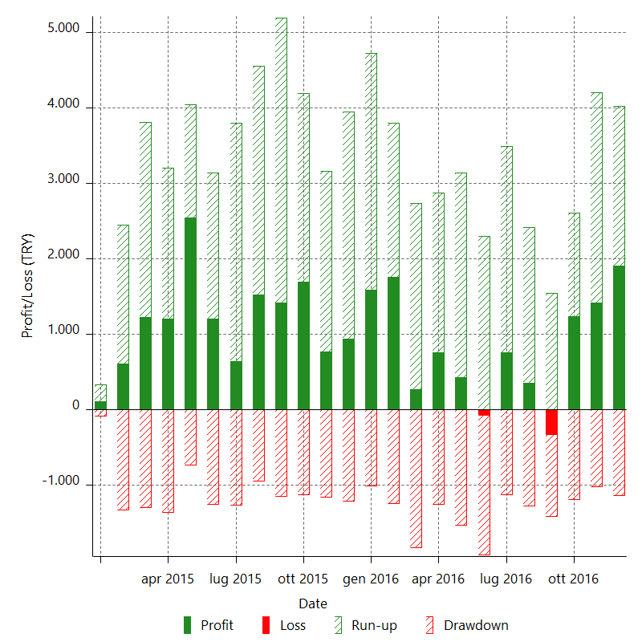

Monthly Returns & Drawdowns (%)

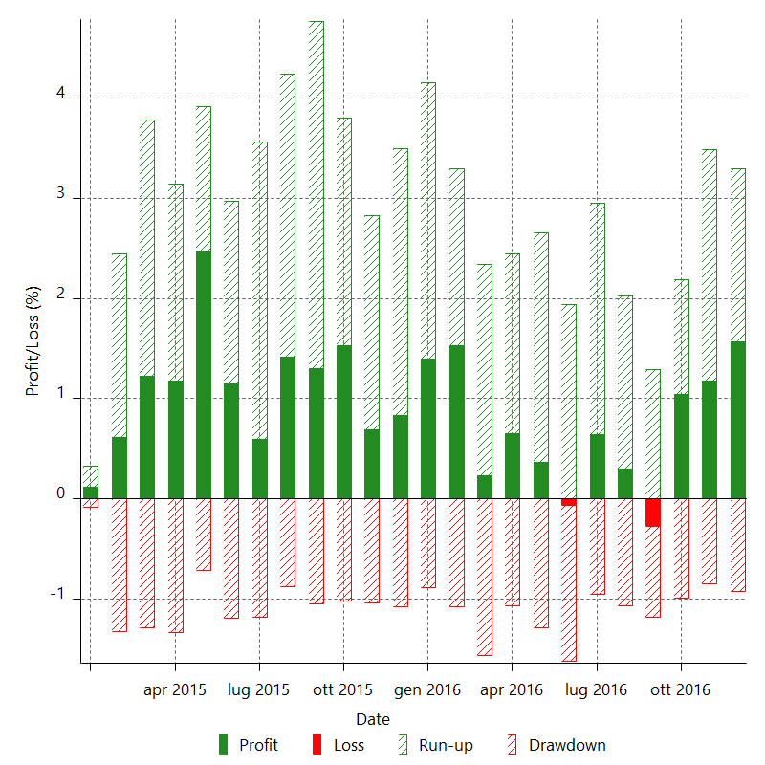

Monthly Accumulative Net Profit

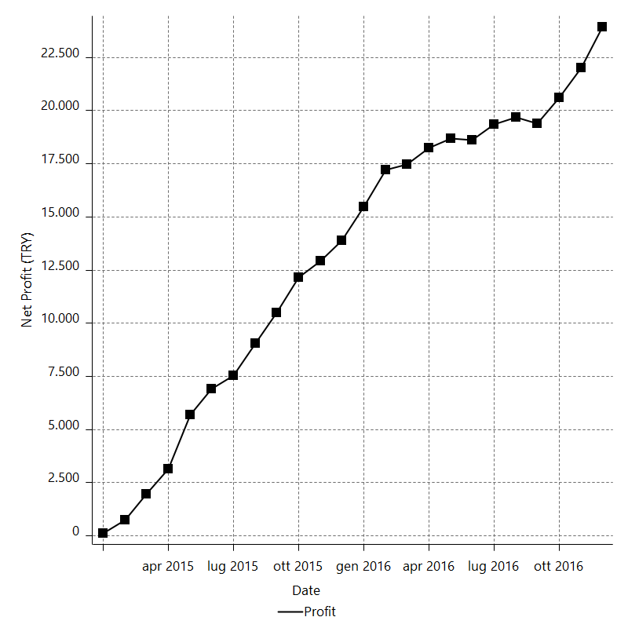

Average Profit By Month

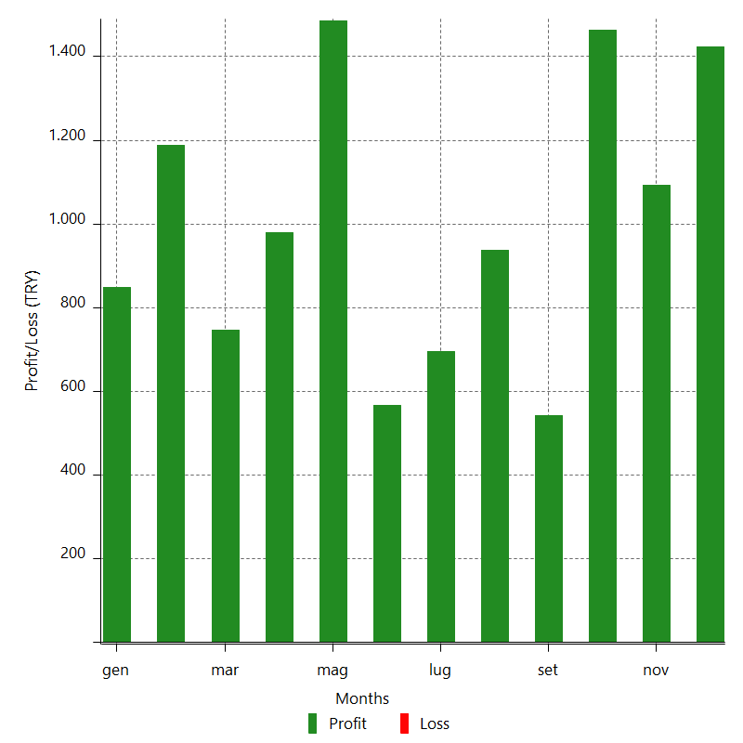

Annual Returns & Drawdowns

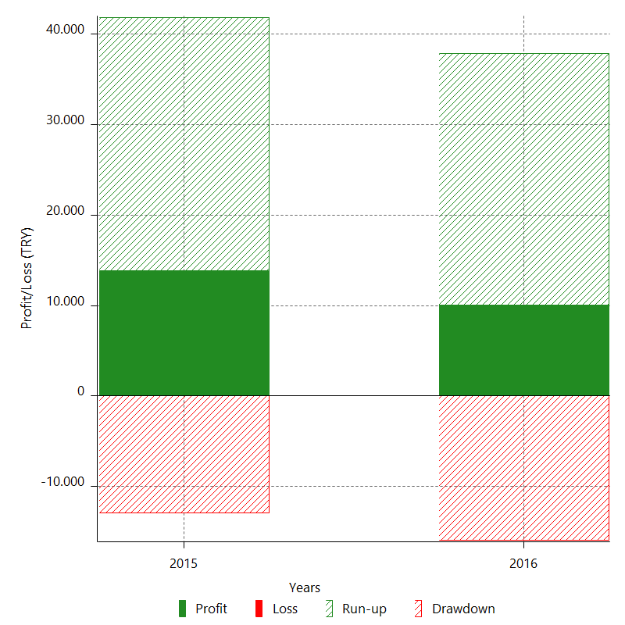

Annual Returns & Drawdowns (%)

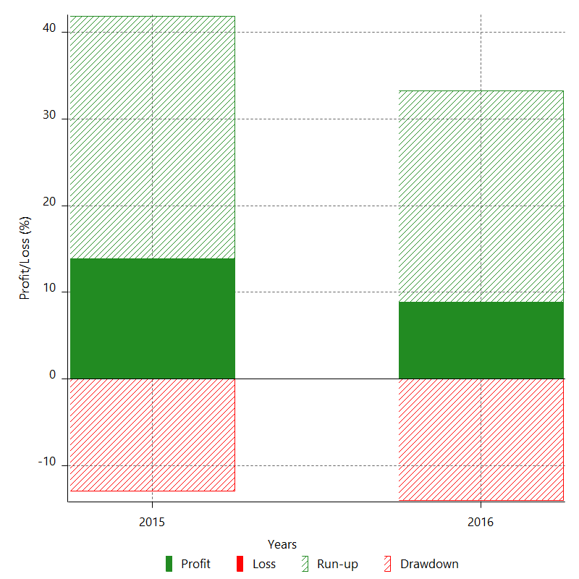

Annual Accumulative Net Profit

